Fig. 1D DAVID & heat map
IPA Canonical pathways; down regulated genes in feet at the indicated days post infection |  |  |  |  |  | DAVID analysis of down regulated genes in day 7 feet
(-log p values are shown and day 7 values are ranked most to least significant. Only pathway with 3 or more genes are shown) | Day 2 | Day 7 | Day 30 | Not significant |  | Category | Term | Similarity score
Calcium Signaling | 0.51 | 13.06 | 2.64 |  | 1 | UP_TISSUE | Keratinocyte | 1.00
Cellular Effects of Sildenafil (Viagra) | 0.36 | 5.70 | 1.08 |  | 2 | GOTERM_BP_FAT | GO:0007398~ectoderm development | 0.91
Actin Cytoskeleton Signaling | 0.69 | 5.08 | 1.66 |  | 3 | GOTERM_BP_FAT | GO:0008544~epidermis development | 0.80
Role of Osteoblasts, Osteoclasts and Chondrocytes in Rheumatoid Arthritis | 2.01 | 4.97 |  |  | 4 | GOTERM_CC_FAT | GO:0001533~cornified envelope | 0.66
Agranulocyte Adhesion and Diapedesis | 1.82 | 4.18 | 0.40 |  | 5 | GOTERM_BP_FAT | GO:0030216~keratinocyte differentiation | 0.66
Protein Kinase A Signaling |  | 3.91 | 3.20 |  | 6 | GOTERM_BP_FAT | GO:0009913~epidermal cell differentiation | 0.66
Hepatic Fibrosis / Hepatic Stellate Cell Activation | 3.08 | 3.70 | 0.41 |  | 7 | GOTERM_BP_FAT | GO:0030855~epithelial cell differentiation | 0.59
Basal Cell Carcinoma Signaling | 1.38 | 3.41 |  |  | 8 | GOTERM_BP_FAT | GO:0060429~epithelium development | 0.53
ILK Signaling | 0.50 | 3.15 | 0.81 |  | 9 | SP_PIR_KEYWORDS | keratinization | 0.49
Atherosclerosis Signaling | 0.42 | 3.02 | 0.23 |  | 10 | GOTERM_BP_FAT | GO:0031424~keratinization | 0.49
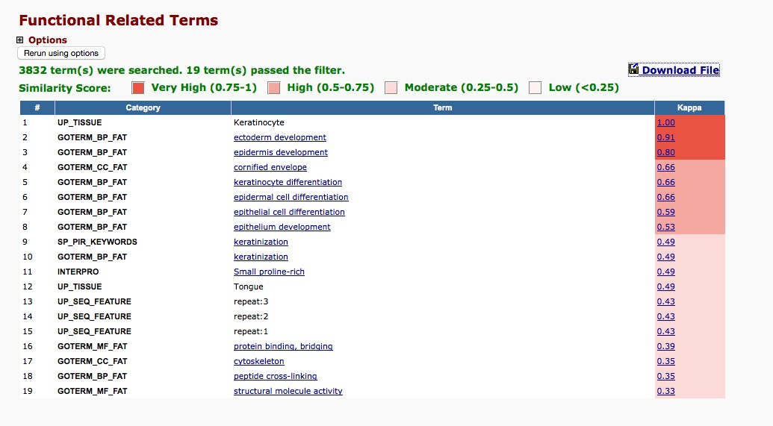
Epithelial Adherens Junction Signaling |  | 3.00 | 1.04
Regulation of Actin-based Motility by Rho |  | 2.72 | 0.31
Role of NANOG in Mammalian Embryonic Stem Cell Pluripotency | 0.49 | 2.24 | 0.26
Glycogen Degradation II |  | 2.20
PAK Signaling |  | 2.17 | 0.32
Human Embryonic Stem Cell Pluripotency | 0.75 | 2.16 | 0.20
Role of Macrophages, Fibroblasts and Endothelial Cells in Rheumatoid Arthritis | 0.99 | 2.11 | 0.43
Glutathione-mediated Detoxification | 2.07 | 1.80
Glycolysis I |  | 1.77 | 3.67
nNOS Signaling in Neurons | 0.37 | 0.88 | 2.21
Dopamine-DARPP32 Feedback in cAMP Signaling | 0.55 | 0.87 | 2.06
Protein Citrullination |  | 0.86 | 3.12
G-Protein Coupled Receptor Signaling | 2.16 | 0.34 | 0.25
phagosome formation | 2.20 |  | 0.26

