Fig. 1
raw data |  | Treatments | Soil organic C(g/kg)
Treatments | Soil organic C(g/kg) | CK | 8.61
CK | 8.61 | FR | 9.32
CK | 8.84 | FRM | 12.15
CK | 8.38
FR | 9.32
FR | 9.61 | Treatments | standard error of the mean (n = 3)
FR | 9.03 | CK | 0.23
FRM | 12.15 | FR | 0.29
FRM | 12.61 | FRM | 0.46
FRM | 11.69

 |  | Treatments | significant differences between treatments at P < 0.05
 |  | CK | c
 |  | FR | b
 |  | FRM | a

 |  |  |  | Fig. 1 Compost and inorganic fertilizer effects on the organic C content in the soil. Vertical bars denote the standard error of the mean (n = 3). Different letters a, b and c indicate significant differences between treatments at P < 0.05

Fig. 2
Cellulase
Invertase
Urease
Catalase
raw data
Treatments | Cellulase activity(mg/d/g) | Invertase activity(mg/d/g) | Urease activity(ug/d/g) | Catalase activity(umol/d/g) | Treatments | Cellulase activity(mg/d/g) | standard error of the mean (n = 3) | significant differences
CK | 27.74 | 6.03 | 169.90 | 4.43 | CK | 27.74 | 1.04 | c
CK | 28.78 | 6.54 | 179.72 | 4.60 | FR | 30.38 | 0.71 | b
CK | 26.70 | 5.53 | 160.09 | 4.27 | FRM | 32.50 | 1.07 | a
FR | 30.38 | 7.99 | 270.13 | 5.68
FR | 31.08 | 8.03 | 277.66 | 6.15
FR | 29.67 | 7.95 | 262.61 | 5.21
FRM | 32.50 | 11.55 | 305.49 | 7.34 | Treatments | Invertase activity(mg/d/g) | standard error of the mean (n = 3) | significant differences
FRM | 33.57 | 10.30 | 319.77 | 7.39 | CK | 6.03 | 0.51 | c
FRM | 31.43 | 9.04 | 291.21 | 7.29 | FR | 7.99 | 0.04 | b
 |  |  |  |  | FRM | 10.30 | 1.26 | a

 |  |  |  |  | Treatments | Urease activity(ug/d/g) | standard error of the mean (n = 3) | significant differences
 |  |  |  |  | CK | 169.90 | 9.81 | c
 |  |  |  |  | FR | 270.13 | 7.52 | b
 |  |  |  |  | FRM | 305.49 | 14.28 | a
 |  |  |  |  |  |  |  |  | Fig. 2 Compost and inorganic fertilizer effects on cellulase, invertase, urease and catalase activities in soil. Vertical bars denote the standard error of the mean (n = 3). Different letters a, b and c indicate significant differences between treatments at P < 0.05

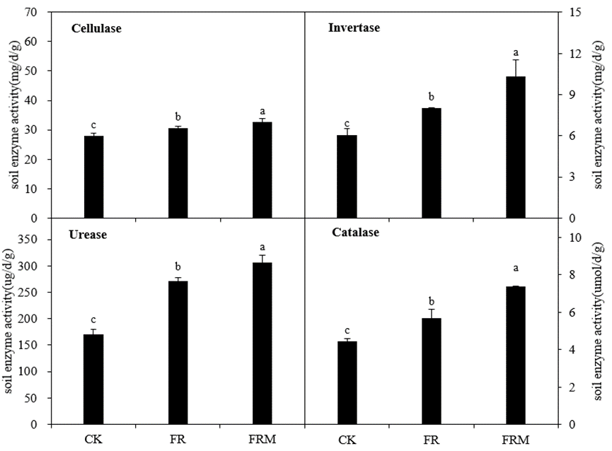
 |  |  |  |  | Treatments | Catalase activity(umol/d/g) | standard error of the mean (n = 3) | significant differences
 |  |  |  |  | CK | 4.43 | 0.17 | c
 |  |  |  |  | FR | 5.68 | 0.47 | b
 |  |  |  |  | FRM | 7.34 | 0.05 | a

Fig. 3
raw data |  |  |  |  | Mass proportion (%)
Treatments | silt and clay fraction | microaggregate | small macroaggregate | large macroaggregate | Treatments | silt+clay fraction | microaggregate | small macroaggregate | large macroaggregate
CK | 12.61 | 20.46 | 38.57 | 28.35 | CK | 12.55 | 20.50 | 38.60 | 28.34
CK | 14.03 | 19.46 | 37.93 | 28.58 | FR | 8.80 | 18.58 | 41.75 | 30.86
CK | 11.01 | 21.58 | 39.30 | 28.10 | FRM | 4.01 | 11.41 | 43.58 | 41.00
FR | 8.92 | 18.54 | 41.67 | 30.87
FR | 11.32 | 17.74 | 40.03 | 30.91 | standard error of the mean (n = 3)
FR | 6.16 | 19.47 | 43.55 | 30.81 | Treatments | silt+clay fraction | microaggregate | small macroaggregate | large macroaggregate
FRM | 5.18 | 10.98 | 43.14 | 40.70 | CK | 1.51 | 1.06 | 0.69 | 0.24
FRM | 3.32 | 11.81 | 41.92 | 42.94 | FR | 2.58 | 0.87 | 1.76 | 0.05
FRM | 3.52 | 11.44 | 45.67 | 39.36 | FRM | 1.02 | 0.42 | 1.91 | 1.81

 |  |  |  |  | significant differences between treatments for the same aggregate at P < 0.05
 |  |  |  |  | Treatments | silt+clay fraction | microaggregate | small macroaggregate | large macroaggregate
 |  |  |  |  | CK | a | a | b | c | Fig. 3 Mass proportion (%) of soil aggregates in 0- to 20-cm bulk soil affected by compost and inorganic fertilizer. Vertical bars denote the standard error of the mean (n = 3). Different letters a, b and c indicate significant differences between treatments for the same aggregate at P < 0.05. Different letters w, x, y and z denote significant differences between aggregates for the same treatment at P < 0.05
 |  |  |  |  | FR | a | b | ab | b
 |  |  |  |  | FRM | b | c | a | a

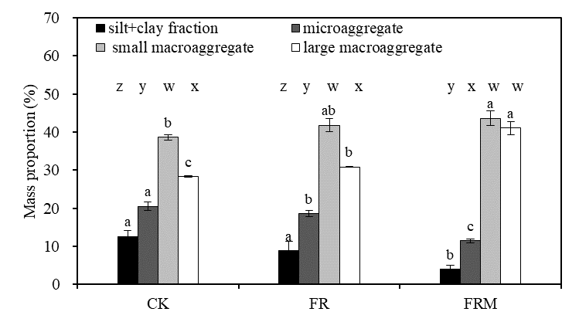
 |  |  |  |  | significant differences between aggregates for the same treatment at P < 0.05
 |  |  |  |  | Treatments | silt+clay fraction | microaggregate | small macroaggregate | large macroaggregate
 |  |  |  |  | CK | z | y | w | x
 |  |  |  |  | FR | z | y | w | x
 |  |  |  |  | FRM | y | x | w | w

Fig. 4
raw data |  |  |  |  | Organic C concentration(g C/kg)
Treatments | silt and clay fraction | microaggregate | small macroaggregate | large macroaggregate | Treatments | silt and clay fraction | microaggregate | small macroaggregate | large macroaggregate
CK | 7.12 | 7.42 | 7.66 | 6.96 | CK | 7.12 | 7.42 | 7.66 | 6.96
CK | 7.22 | 7.66 | 7.83 | 7.79 | FR | 7.34 | 8.38 | 8.50 | 8.72
CK | 7.02 | 7.18 | 7.49 | 6.13 | FRM | 8.29 | 9.87 | 10.22 | 10.33
FR | 7.34 | 8.38 | 8.50 | 8.72
FR | 7.38 | 8.65 | 8.87 | 9.16 | standard error of the mean (n = 3)
FR | 7.31 | 8.12 | 8.13 | 8.29 | Treatments | silt and clay fraction | microaggregate | small macroaggregate | large macroaggregate
FRM | 8.29 | 9.87 | 10.22 | 10.33 | CK | 0.10 | 0.24 | 0.17 | 0.83
FRM | 8.45 | 9.88 | 10.61 | 10.73 | F | 0.03 | 0.27 | 0.37 | 0.43
FRM | 8.13 | 9.86 | 9.83 | 9.93 | FM | 0.16 | 0.01 | 0.39 | 0.40

 |  |  |  |  | significant differences between treatments for the same aggregate at P < 0.05
 |  |  |  |  | Treatments | silt and clay fraction | microaggregate | small macroaggregate | large macroaggregate
 |  |  |  |  | CK | bc | c | c | c | Fig. 4 Soil aggregate-associated organic C in the 0- to 20-cm bulk soil affected by compost and inorganic fertilizer. Vertical bars denote the standard error of the mean (n = 3). Different letters a, b and c indicate significant differences between treatments for the same aggregate at P < 0.05. Different letters w and x denote significant differences between aggregates for the same treatment at P < 0.05
 |  |  |  |  | F | b | b | b | b
 |  |  |  |  | FM | a | a | a | a

 |  |  |  |  | significant differences between aggregates for the same treatment at P < 0.05
 |  |  |  |  | Treatments | silt and clay fraction | microaggregate | small macroaggregate | large macroaggregate
 |  |  |  |  | CK | w | w | w | w
 |  |  |  |  | F | x | w | w | w
 |  |  |  |  | FM | x | w | w | w

Fig. 5
Cellulase
Invertase
Urease
Catalase
silt+clay fraction microaggregate small macroaggreagte large macroaggreagte
raw data
Cellulase |  |  |  |  | Cellulase（mg/d/g)
Treatments | silt and clay fraction | microaggregate | small macroaggregate | large macroaggregate | Treatments | silt and clay fraction | microaggregate | small macroaggregate | large macroaggregate
CK | 39.87 | 35.74 | 42.33 | 44.39 | CK | 39.87 | 35.74 | 42.33 | 44.39
CK | 40.99 | 36.22 | 43.32 | 45.62 | FR | 39.04 | 40.93 | 47.56 | 48.56
CK | 38.74 | 35.27 | 41.35 | 43.16 | FRM | 41.28 | 42.36 | 49.27 | 49.90
FR | 39.04 | 40.93 | 47.56 | 48.56
FR | 40.70 | 41.37 | 47.86 | 49.20 | standard error of the mean (n = 3)
FR | 37.39 | 40.48 | 47.27 | 47.93 | Treatments | silt and clay fraction | microaggregate | small macroaggregate | large macroaggregate
FRM | 41.28 | 42.36 | 49.27 | 49.90 | CK | 1.12 | 0.47 | 0.98 | 1.23
FRM | 42.13 | 43.83 | 50.33 | 50.96 | FR | 1.65 | 0.44 | 0.29 | 0.64
FRM | 40.42 | 40.89 | 48.20 | 48.83 | FRM | 0.86 | 1.47 | 1.06 | 1.06

 |  |  |  |  | significant differences between treatments for the same aggregate at P < 0.05
 |  |  |  |  | Treatments | silt and clay fraction | microaggregate | small macroaggregate | large macroaggregate
 |  |  |  |  | CK | a | b | c | b
 |  |  |  |  | FR | a | a | b | a
 |  |  |  |  | FRM | a | a | a | a
 |  |  |  |  | significant differences between aggregates for the same treatment at P < 0.05
 |  |  |  |  | Treatments | silt and clay fraction | microaggregate | small macroaggregate | large macroaggregate
 |  |  |  |  | CK | y | z | x | w
 |  |  |  |  | FR | y | x | w | w
 |  |  |  |  | FRM | x | x | w | w

 |  |  |  |  | Invertase（mg/d/g)
raw data |  |  |  |  | Treatments | silt and clay fraction | microaggregate | small macroaggregate | large macroaggregate
Invertase |  |  |  |  | CK | 27.87 | 27.52 | 45.90 | 33.99 | Fig. 5 Compost and inorganic fertilizer effects on cellulase, invertase, urease and catalase activities in soil aggregates. Vertical bars denote the standard error of the mean (n = 3). Different letters a, b and c indicate significant differences between treatments at P < 0.05. Different letters w, x, y and z denote significant differences between aggregates for the same treatment at P < 0.05
Treatments | silt and clay fraction | microaggregate | small macroaggregate | large macroaggregate | FR | 26.13 | 29.74 | 37.37 | 24.62
CK | 27.87 | 27.52 | 45.90 | 33.99 | FRM | 38.66 | 30.63 | 27.57 | 21.11
CK | 27.95 | 28.64 | 47.21 | 36.70
CK | 27.80 | 26.41 | 44.60 | 31.27 | standard error of the mean (n = 3)
FR | 26.13 | 29.74 | 37.37 | 24.62 | CK | 0.07 | 1.11 | 1.31 | 2.72
FR | 26.63 | 30.95 | 39.09 | 25.01 | FR | 0.50 | 1.21 | 1.72 | 0.39
FR | 25.63 | 28.52 | 35.65 | 24.23 | FRM | 3.68 | 1.22 | 2.02 | 0.99
FRM | 38.66 | 30.63 | 27.57 | 21.11
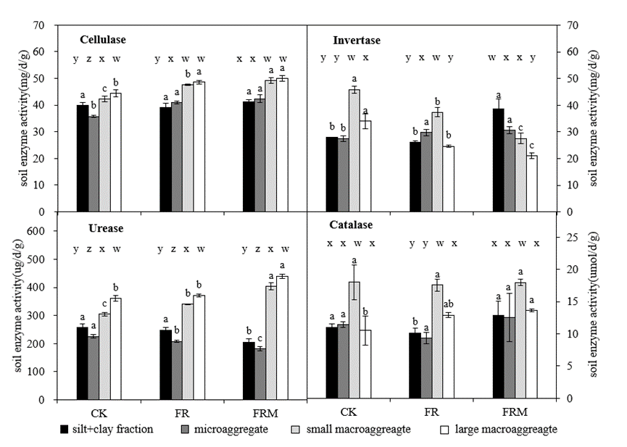
FRM | 42.35 | 31.86 | 29.59 | 22.09 | significant differences between treatments for the same aggregate at P < 0.05
FRM | 34.98 | 29.41 | 25.55 | 20.12 | CK | b | b | a | a
 |  |  |  |  | FR | b | a | b | b
 |  |  |  |  | FRM | a | a | c | c

 |  |  |  |  | significant differences between aggregates for the same treatment at P < 0.05
 |  |  |  |  | CK | y | y | w | x
 |  |  |  |  | FR | y | x | w | y
 |  |  |  |  | FRM | w | x | x | y

 |  |  |  |  | Urease(ug/d/g)
raw data |  |  |  |  | Treatments | silt and clay fraction | microaggregate | small macroaggregate | large macroaggregate
Urease |  |  |  |  | CK | 257.37 | 225.40 | 304.38 | 360.80
Treatments | silt and clay fraction | microaggregate | small macroaggregate | large macroaggregate | FR | 248.36 | 207.82 | 340.79 | 371.23
CK | 257.37 | 225.40 | 304.38 | 360.80 | FRM | 205.68 | 181.58 | 403.31 | 440.44
CK | 270.40 | 231.70 | 310.06 | 371.03
CK | 244.34 | 219.10 | 298.70 | 350.57 | standard error of the mean (n = 3)
FR | 248.36 | 207.82 | 340.79 | 371.23 | CK | 13.03 | 6.30 | 5.68 | 10.23
FR | 258.40 | 211.23 | 341.32 | 375.69 | FR | 10.04 | 3.41 | 0.52 | 4.46
FR | 238.32 | 204.41 | 340.27 | 366.77 | FRM | 11.52 | 7.29 | 12.20 | 7.37
FRM | 205.68 | 181.58 | 403.31 | 440.44
FRM | 217.20 | 188.88 | 415.51 | 447.81 | significant differences between treatments for the same aggregate at P < 0.05
FRM | 194.16 | 174.29 | 391.11 | 433.06 | CK | a | a | c | b
 |  |  |  |  | FR | a | b | b | b
 |  |  |  |  | FRM | b | c | a | a

 |  |  |  |  | significant differences between aggregates for the same treatment at P < 0.05
 |  |  |  |  | CK | y | z | x | w
 |  |  |  |  | FR | y | z | x | w
 |  |  |  |  | FRM | y | z | x | w

 |  |  |  |  | Catalase(umol/d/g)
raw data |  |  |  |  | Treatments | silt and clay fraction | microaggregate | small macroaggregate | large macroaggregate
Catalase |  |  |  |  | CK | 11.05 | 11.43 | 18.02 | 10.52
Treatments | silt and clay fraction | microaggregate | small macroaggregate | large macroaggregate | FR | 10.16 | 9.37 | 17.56 | 12.91
CK | 11.05 | 11.43 | 18.02 | 10.52 | FRM | 12.89 | 12.55 | 17.97 | 13.61
CK | 11.58 | 11.87 | 20.74 | 12.76
CK | 10.51 | 10.99 | 15.30 | 8.29 | standard error of the mean (n = 3)
FR | 10.16 | 9.37 | 17.56 | 12.91 | CK | 0.53 | 0.44 | 2.72 | 2.24
FR | 10.87 | 10.24 | 18.49 | 13.28 | FR | 0.71 | 0.87 | 0.93 | 0.37
FR | 9.46 | 8.50 | 16.63 | 12.55 | FRM | 2.15 | 3.76 | 0.49 | 0.22
FRM | 12.89 | 12.55 | 17.97 | 13.61
FRM | 15.04 | 16.31 | 18.45 | 13.83 | significant differences between treatments for the same aggregate at P < 0.05
FRM | 10.73 | 8.80 | 17.48 | 13.38 | CK | a | a | a | b
 |  |  |  |  | FR | b | a | a | ab
 |  |  |  |  | FRM | a | a | a | a

 |  |  |  |  | significant differences between aggregates for the same treatment at P < 0.05
 |  |  |  |  | CK | x | x | w | x
 |  |  |  |  | FR | y | y | w | x
 |  |  |  |  | FRM | x | x | w | x

Fig. 6
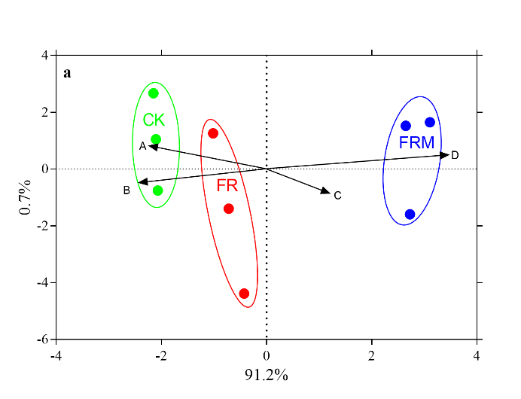
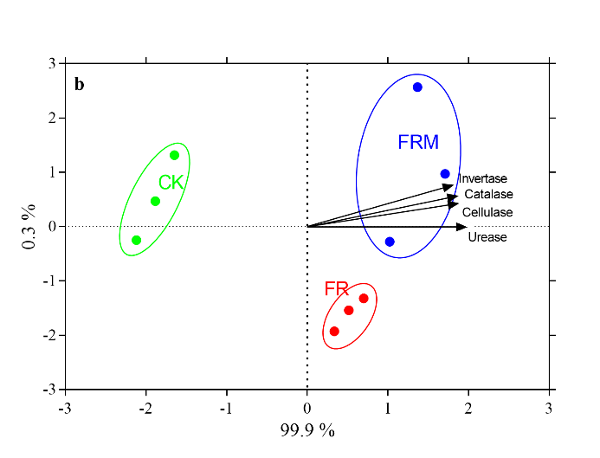
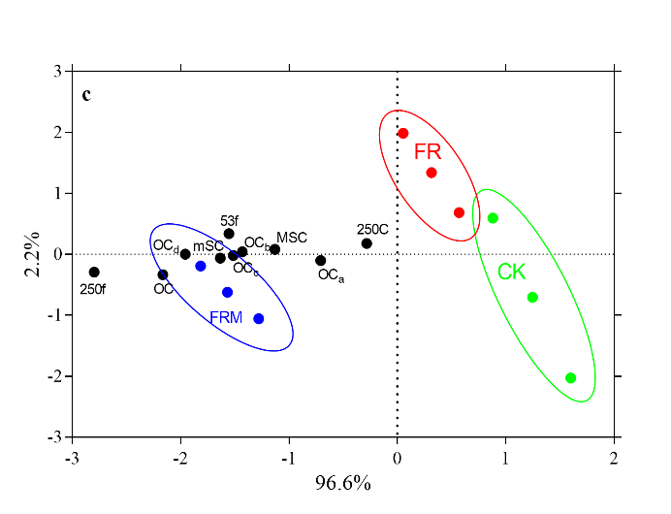
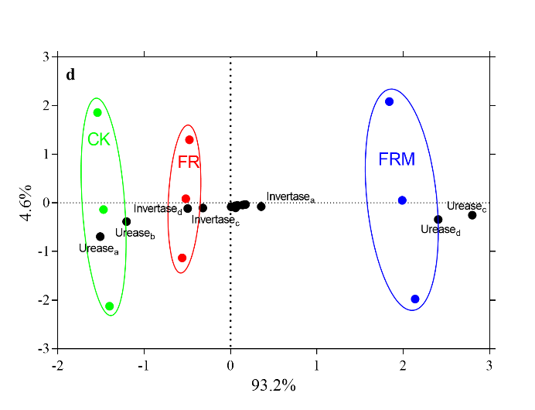
raw data
Fig.6 A
Treatments | Cellulase | Invertase | Urease | Catalase
CK | 27.74 | 6.03 | 169.90 | 4.43
CK | 28.78 | 6.54 | 179.72 | 4.60
CK | 26.70 | 5.53 | 160.09 | 4.27
FR | 30.38 | 7.99 | 270.13 | 5.68
FR | 31.08 | 8.03 | 277.66 | 6.15
FR | 29.67 | 7.95 | 262.61 | 5.21
FRM | 32.50 | 11.55 | 305.49 | 7.34
FRM | 33.57 | 10.30 | 319.77 | 7.39
FRM | 31.43 | 9.04 | 291.21 | 7.29

raw data
Fig.6 B
Treatments | A | B | C | D
CK | 12.61 | 20.46 | 38.57 | 28.35
CK | 14.03 | 19.46 | 37.93 | 28.58
CK | 11.01 | 21.58 | 39.30 | 28.10
FR | 8.92 | 18.54 | 41.67 | 30.87
FR | 11.32 | 17.74 | 40.03 | 30.91
FR | 6.16 | 19.47 | 43.55 | 30.81
FRM | 5.18 | 10.98 | 43.14 | 40.70
FRM | 3.32 | 11.81 | 41.92 | 42.94 |  |  |  |  |  |  |  | Fig. 6 Redundancy analysis (RDA) relating organic C, mass proportion of aggregates or enzyme activities to different fertilization treatments in 0- to 20-cm bulk soil. CK, FR and FRM indicate no fertilizer, chemical fertilizer application alone and the substitution of compost for fertilizer, respectively. A, B, C and D indicate the mass proportion of the silt and clay fraction (<53 μm), microaggregates (53-250 μm), small macroaggregates (250-2000 μm) and large macroaggregates (>2000 μm), respectively. The lowercase letters a, b, c and d on the lower right of the term indicate organic C or enzymes within the silt and clay fraction (<53 μm), microaggregates (53-250 μm), small macroaggregates (250-2000 μm) and large macroaggregates (>2000 μm), respectively
FRM | 3.52 | 11.44 | 45.67 | 39.36

raw data
Fig.6 C
Treatments | OC | CA | CB | CC | CD | mSC | 53f | MSC | 250f | 250c
CK | 8.61 | 7.12 | 7.42 | 7.66 | 6.96 | 7.31 | 11.05 | 8.76 | 7.62 | 11.64
CK | 8.84 | 7.22 | 7.66 | 7.83 | 7.79 | 7.67 | 11.63 | 9.32 | 7.95 | 11.94
CK | 8.38 | 7.02 | 7.18 | 7.49 | 6.13 | 6.96 | 10.46 | 8.19 | 7.29 | 11.33
FR | 9.32 | 7.34 | 8.38 | 8.50 | 8.72 | 7.86 | 12.38 | 9.39 | 9.02 | 11.80
FR | 9.61 | 7.38 | 8.65 | 8.87 | 9.16 | 8.23 | 12.66 | 9.69 | 9.12 | 11.99
FR | 9.03 | 7.31 | 8.12 | 8.13 | 8.29 | 7.48 | 12.10 | 9.09 | 8.93 | 11.61
FRM | 12.15 | 8.29 | 9.87 | 10.22 | 10.33 | 9.34 | 13.71 | 11.43 | 12.37 | 12.02
FRM | 12.61 | 8.45 | 9.88 | 10.61 | 10.73 | 9.55 | 13.99 | 11.55 | 12.59 | 12.34
FRM | 11.69 | 8.13 | 9.86 | 9.83 | 9.93 | 8.54 | 13.44 | 11.30 | 12.16 | 11.71

raw data
Fig.6 D
Treatments | CellulaseA | CellulaseB | CellulaseC | CellulaseD | InvertaseA | InvertaseB | InvertaseC | InvertaseD | UreaseA | UreaseB | UreaseC | UreaseD | CatalaseA | CatalaseB | CatalaseC | CatalaseD
CK | 39.87 | 35.74 | 42.33 | 44.39 | 27.87 | 27.52 | 45.90 | 33.99 | 257.37 | 225.40 | 304.38 | 360.80 | 11.05 | 11.43 | 18.02 | 10.52
CK | 40.99 | 36.22 | 43.32 | 45.62 | 27.95 | 28.64 | 47.21 | 36.70 | 270.40 | 231.70 | 310.06 | 371.03 | 11.58 | 11.87 | 20.74 | 12.76
CK | 38.74 | 35.27 | 41.35 | 43.16 | 27.80 | 26.41 | 44.60 | 31.27 | 244.34 | 219.10 | 298.70 | 350.57 | 10.51 | 10.99 | 15.30 | 8.29
FR | 39.04 | 40.93 | 47.56 | 48.56 | 26.13 | 29.74 | 37.37 | 24.62 | 248.36 | 207.82 | 340.79 | 371.23 | 10.16 | 9.37 | 17.56 | 12.91
FR | 40.70 | 41.37 | 47.86 | 49.20 | 26.63 | 30.95 | 39.09 | 25.01 | 258.40 | 211.23 | 341.32 | 375.69 | 10.87 | 10.24 | 18.49 | 13.28
FR | 37.39 | 40.48 | 47.27 | 47.93 | 25.63 | 28.52 | 35.65 | 24.23 | 238.32 | 204.41 | 340.27 | 366.77 | 9.46 | 8.50 | 16.63 | 12.55
FRM | 41.28 | 42.36 | 49.27 | 49.90 | 38.66 | 30.63 | 27.57 | 21.11 | 205.68 | 181.58 | 403.31 | 440.44 | 12.89 | 12.55 | 17.97 | 13.61
FRM | 42.13 | 43.83 | 50.33 | 50.96 | 42.35 | 31.86 | 29.59 | 22.09 | 217.20 | 188.88 | 415.51 | 447.81 | 15.04 | 16.31 | 18.45 | 13.83
FRM | 40.42 | 40.89 | 48.20 | 48.83 | 34.98 | 29.41 | 25.55 | 20.12 | 194.16 | 174.29 | 391.11 | 433.06 | 10.73 | 8.80 | 17.48 | 13.38

