phylum
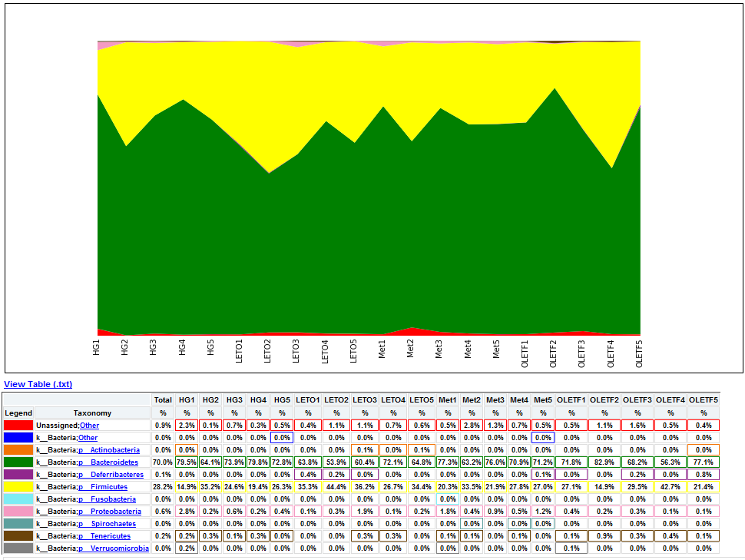
# Constructed from biom file
#OTU ID | HG1 | HG2 | HG3 | HG4 | HG5 | LETO1 | LETO2 | LETO3 | LETO4 | LETO5 | Met1 | Met2 | Met3 | Met4 | Met5 | OLETF1 | OLETF2 | OLETF3 | OLETF4 | OLETF5
Unassigned;Other | 0.02303976217 | 0.0011148272018 | 0.007060572278 | 0.0033444816054 | 0.0048309178744 | 0.0044593088071 | 0.011148272018 | 0.010776662951 | 0.007060572278 | 0.0055741360089 | 0.0048309178744 | 0.027870680045 | 0.012634708287 | 0.0074321813452 | 0.0048309178744 | 0.0052025269417 | 0.010776662951 | 0.015607580825 | 0.0052025269417 | 0.0044593088071
k__Bacteria;Other | 0 | 0 | 0 | 0 | 0.00037160906726 | 0 | 0 | 0 | 0 | 0 | 0 | 0 | 0 | 0 | 0.00037160906726 | 0 | 0 | 0 | 0 | 0
k__Bacteria;p__Actinobacteria | 0.00037160906726 | 0 | 0 | 0 | 0 | 0 | 0 | 0.00074321813452 | 0.00037160906726 | 0.0011148272018 | 0 | 0 | 0 | 0 | 0 | 0 | 0 | 0 | 0 | 0.00037160906726
k__Bacteria;p__Bacteroidetes | 0.79524340394 | 0.64139725009 | 0.73913043478 | 0.79821627648 | 0.7276105537 | 0.63805276849 | 0.53883314753 | 0.6038647343 | 0.72054998142 | 0.64771460424 | 0.77331846897 | 0.63173541434 | 0.75956893348 | 0.70903010033 | 0.71200297287 | 0.71757710888 | 0.82943143813 | 0.68227424749 | 0.56261612783 | 0.7707172055
k__Bacteria;p__Deferribacteres | 0 | 0 | 0 | 0 | 0 | 0.0040876997399 | 0.0022296544036 | 0.00037160906726 | 0 | 0 | 0 | 0 | 0 | 0 | 0.00074321813452 | 0.00037160906726 | 0 | 0.0018580453363 | 0.00037160906726 | 0.0081753994798
k__Bacteria;p__Firmicutes | 0.14901523597 | 0.35228539576 | 0.24600520253 | 0.19360832404 | 0.26309921962 | 0.35265700483 | 0.44444444444 | 0.36231884058 | 0.26718691936 | 0.34373838722 | 0.20252694166 | 0.3348197696 | 0.21850613155 | 0.27759197324 | 0.2701597919 | 0.2712746191 | 0.14901523597 | 0.2950575994 | 0.42660720922 | 0.21404682274
k__Bacteria;p__Fusobacteria | 0 | 0 | 0 | 0 | 0 | 0 | 0 | 0 | 0 | 0 | 0.00037160906726 | 0 | 0 | 0 | 0 | 0 | 0 | 0 | 0 | 0
k__Bacteria;p__Proteobacteria | 0.028242289112 | 0.0022296544036 | 0.0063173541434 | 0.0018580453363 | 0.0037160906726 | 0.00074321813452 | 0.0033444816054 | 0.01895206243 | 0.001486436269 | 0.0018580453363 | 0.017837235229 | 0.0040876997399 | 0.0092902266815 | 0.0048309178744 | 0.011519881085 | 0.0037160906726 | 0.0022296544036 | 0.0026012634708 | 0.00074321813452 | 0.0011148272018
k__Bacteria;p__Spirochaetes | 0 | 0 | 0 | 0 | 0 | 0 | 0 | 0 | 0 | 0 | 0 | 0.00037160906726 | 0 | 0.00037160906726 | 0.00037160906726 | 0 | 0 | 0 | 0 | 0
k__Bacteria;p__Tenericutes | 0.0022296544036 | 0.0029728725381 | 0.001486436269 | 0.0029728725381 | 0.00037160906726 | 0 | 0 | 0.0029728725381 | 0.0033444816054 | 0 | 0.00074321813452 | 0.0011148272018 | 0 | 0.00074321813452 | 0 | 0.0011148272018 | 0.008547008547 | 0.0026012634708 | 0.0044593088071 | 0.0011148272018
k__Bacteria;p__Verrucomicrobia | 0.0018580453363 | 0 | 0 | 0 | 0 | 0 | 0 | 0 | 0 | 0 | 0.00037160906726 | 0 | 0 | 0 | 0 | 0.00074321813452 | 0 | 0 | 0 | 0

class
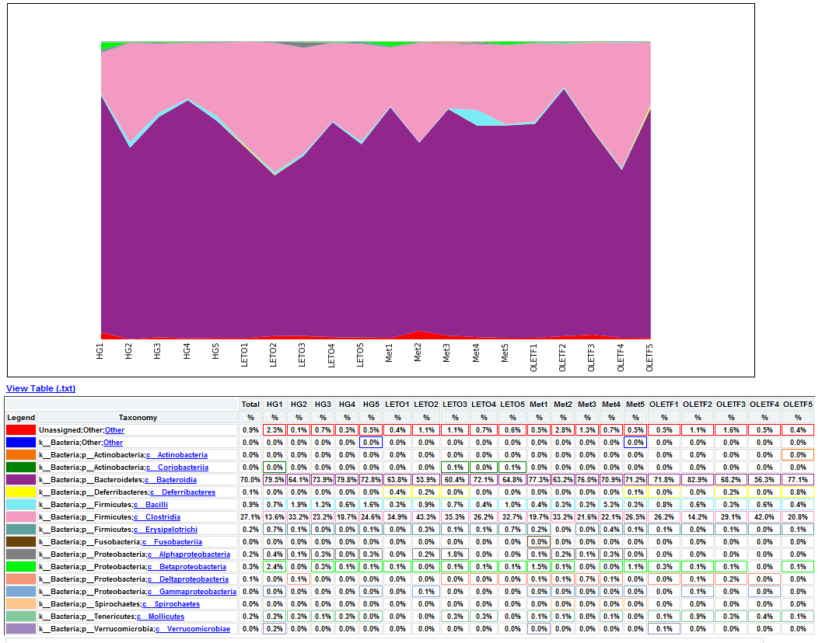
# Constructed from biom file
#OTU ID | HG1 | HG2 | HG3 | HG4 | HG5 | LETO1 | LETO2 | LETO3 | LETO4 | LETO5 | Met1 | Met2 | Met3 | Met4 | Met5 | OLETF1 | OLETF2 | OLETF3 | OLETF4 | OLETF5
Unassigned;Other;Other | 0.02303976217 | 0.0011148272018 | 0.007060572278 | 0.0033444816054 | 0.0048309178744 | 0.0044593088071 | 0.011148272018 | 0.010776662951 | 0.007060572278 | 0.0055741360089 | 0.0048309178744 | 0.027870680045 | 0.012634708287 | 0.0074321813452 | 0.0048309178744 | 0.0052025269417 | 0.010776662951 | 0.015607580825 | 0.0052025269417 | 0.0044593088071
k__Bacteria;Other;Other | 0 | 0 | 0 | 0 | 0.00037160906726 | 0 | 0 | 0 | 0 | 0 | 0 | 0 | 0 | 0 | 0.00037160906726 | 0 | 0 | 0 | 0 | 0
k__Bacteria;p__Actinobacteria;c__Actinobacteria | 0 | 0 | 0 | 0 | 0 | 0 | 0 | 0 | 0 | 0 | 0 | 0 | 0 | 0 | 0 | 0 | 0 | 0 | 0 | 0.00037160906726
k__Bacteria;p__Actinobacteria;c__Coriobacteriia | 0.00037160906726 | 0 | 0 | 0 | 0 | 0 | 0 | 0.00074321813452 | 0.00037160906726 | 0.0011148272018 | 0 | 0 | 0 | 0 | 0 | 0 | 0 | 0 | 0 | 0
k__Bacteria;p__Bacteroidetes;c__Bacteroidia | 0.79524340394 | 0.64139725009 | 0.73913043478 | 0.79821627648 | 0.7276105537 | 0.63805276849 | 0.53883314753 | 0.6038647343 | 0.72054998142 | 0.64771460424 | 0.77331846897 | 0.63173541434 | 0.75956893348 | 0.70903010033 | 0.71200297287 | 0.71757710888 | 0.82943143813 | 0.68227424749 | 0.56261612783 | 0.7707172055
k__Bacteria;p__Deferribacteres;c__Deferribacteres | 0 | 0 | 0 | 0 | 0 | 0.0040876997399 | 0.0022296544036 | 0.00037160906726 | 0 | 0 | 0 | 0 | 0 | 0 | 0.00074321813452 | 0.00037160906726 | 0 | 0.0018580453363 | 0.00037160906726 | 0.0081753994798
k__Bacteria;p__Firmicutes;c__Bacilli | 0.0066889632107 | 0.01895206243 | 0.013377926421 | 0.0059457450762 | 0.015979189892 | 0.0029728725381 | 0.0089186176143 | 0.0074321813452 | 0.0037160906726 | 0.0096618357488 | 0.0037160906726 | 0.0026012634708 | 0.0026012634708 | 0.052768487551 | 0.0033444816054 | 0.0078037904125 | 0.0063173541434 | 0.0029728725381 | 0.0063173541434 | 0.0044593088071
k__Bacteria;p__Firmicutes;c__Clostridia | 0.13563730955 | 0.33221850613 | 0.23225566704 | 0.1872909699 | 0.24563359346 | 0.34931252323 | 0.43292456336 | 0.35340022297 | 0.26235600149 | 0.32738758826 | 0.19658119658 | 0.33221850613 | 0.21553325901 | 0.22073578595 | 0.26532887402 | 0.26235600149 | 0.14232627276 | 0.29134150873 | 0.419918246 | 0.20810107767
k__Bacteria;p__Firmicutes;c__Erysipelotrichi | 0.0066889632107 | 0.0011148272018 | 0.00037160906726 | 0.00037160906726 | 0.001486436269 | 0.00037160906726 | 0.0026012634708 | 0.001486436269 | 0.0011148272018 | 0.0066889632107 | 0.0022296544036 | 0 | 0.00037160906726 | 0.0040876997399 | 0.001486436269 | 0.0011148272018 | 0.00037160906726 | 0.00074321813452 | 0.00037160906726 | 0.001486436269
k__Bacteria;p__Fusobacteria;c__Fusobacteriia | 0 | 0 | 0 | 0 | 0 | 0 | 0 | 0 | 0 | 0 | 0.00037160906726 | 0 | 0 | 0 | 0 | 0 | 0 | 0 | 0 | 0
k__Bacteria;p__Proteobacteria;c__Alphaproteobacteria | 0.0037160906726 | 0.001486436269 | 0.0029728725381 | 0.00037160906726 | 0.0026012634708 | 0 | 0.0018580453363 | 0.017837235229 | 0 | 0 | 0.001486436269 | 0.0022296544036 | 0.001486436269 | 0.0033444816054 | 0.00037160906726 | 0 | 0 | 0 | 0 | 0
k__Bacteria;p__Proteobacteria;c__Betaproteobacteria | 0.024154589372 | 0 | 0.0033444816054 | 0.001486436269 | 0.00074321813452 | 0.00074321813452 | 0.00037160906726 | 0.00074321813452 | 0.0011148272018 | 0.001486436269 | 0.01486436269 | 0.00074321813452 | 0 | 0.00037160906726 | 0.010776662951 | 0.0033444816054 | 0.00074321813452 | 0.00074321813452 | 0 | 0.0011148272018
k__Bacteria;p__Proteobacteria;c__Deltaproteobacteria | 0 | 0.00074321813452 | 0 | 0 | 0 | 0 | 0 | 0.00037160906726 | 0.00037160906726 | 0.00037160906726 | 0.0011148272018 | 0.00074321813452 | 0.0074321813452 | 0.00074321813452 | 0 | 0.00037160906726 | 0.00074321813452 | 0.0018580453363 | 0.00037160906726 | 0
k__Bacteria;p__Proteobacteria;c__Gammaproteobacteria | 0.00037160906726 | 0 | 0 | 0 | 0.00037160906726 | 0 | 0.0011148272018 | 0 | 0 | 0 | 0.00037160906726 | 0.00037160906726 | 0.00037160906726 | 0.00037160906726 | 0.00037160906726 | 0 | 0.00074321813452 | 0 | 0.00037160906726 | 0
k__Bacteria;p__Spirochaetes;c__Spirochaetes | 0 | 0 | 0 | 0 | 0 | 0 | 0 | 0 | 0 | 0 | 0 | 0.00037160906726 | 0 | 0.00037160906726 | 0.00037160906726 | 0 | 0 | 0 | 0 | 0
k__Bacteria;p__Tenericutes;c__Mollicutes | 0.0022296544036 | 0.0029728725381 | 0.001486436269 | 0.0029728725381 | 0.00037160906726 | 0 | 0 | 0.0029728725381 | 0.0033444816054 | 0 | 0.00074321813452 | 0.0011148272018 | 0 | 0.00074321813452 | 0 | 0.0011148272018 | 0.008547008547 | 0.0026012634708 | 0.0044593088071 | 0.0011148272018
k__Bacteria;p__Verrucomicrobia;c__Verrucomicrobiae | 0.0018580453363 | 0 | 0 | 0 | 0 | 0 | 0 | 0 | 0 | 0 | 0.00037160906726 | 0 | 0 | 0 | 0 | 0.00074321813452 | 0 | 0 | 0 | 0

order
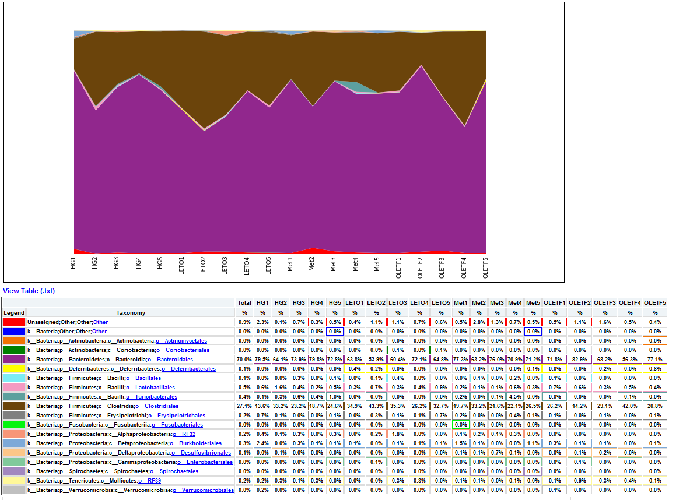
# Constructed from biom file
#OTU ID | HG1 | HG2 | HG3 | HG4 | HG5 | LETO1 | LETO2 | LETO3 | LETO4 | LETO5 | Met1 | Met2 | Met3 | Met4 | Met5 | OLETF1 | OLETF2 | OLETF3 | OLETF4 | OLETF5
Unassigned;Other;Other;Other | 0.02303976217 | 0.0011148272018 | 0.007060572278 | 0.0033444816054 | 0.0048309178744 | 0.0044593088071 | 0.011148272018 | 0.010776662951 | 0.007060572278 | 0.0055741360089 | 0.0048309178744 | 0.027870680045 | 0.012634708287 | 0.0074321813452 | 0.0048309178744 | 0.0052025269417 | 0.010776662951 | 0.015607580825 | 0.0052025269417 | 0.0044593088071
k__Bacteria;Other;Other;Other | 0 | 0 | 0 | 0 | 0.00037160906726 | 0 | 0 | 0 | 0 | 0 | 0 | 0 | 0 | 0 | 0.00037160906726 | 0 | 0 | 0 | 0 | 0
k__Bacteria;p__Actinobacteria;c__Actinobacteria;o__Actinomycetales | 0 | 0 | 0 | 0 | 0 | 0 | 0 | 0 | 0 | 0 | 0 | 0 | 0 | 0 | 0 | 0 | 0 | 0 | 0 | 0.00037160906726
k__Bacteria;p__Actinobacteria;c__Coriobacteriia;o__Coriobacteriales | 0.00037160906726 | 0 | 0 | 0 | 0 | 0 | 0 | 0.00074321813452 | 0.00037160906726 | 0.0011148272018 | 0 | 0 | 0 | 0 | 0 | 0 | 0 | 0 | 0 | 0
k__Bacteria;p__Bacteroidetes;c__Bacteroidia;o__Bacteroidales | 0.79524340394 | 0.64139725009 | 0.73913043478 | 0.79821627648 | 0.7276105537 | 0.63805276849 | 0.53883314753 | 0.6038647343 | 0.72054998142 | 0.64771460424 | 0.77331846897 | 0.63173541434 | 0.75956893348 | 0.70903010033 | 0.71200297287 | 0.71757710888 | 0.82943143813 | 0.68227424749 | 0.56261612783 | 0.7707172055
k__Bacteria;p__Deferribacteres;c__Deferribacteres;o__Deferribacterales | 0 | 0 | 0 | 0 | 0 | 0.0040876997399 | 0.0022296544036 | 0.00037160906726 | 0 | 0 | 0 | 0 | 0 | 0 | 0.00074321813452 | 0.00037160906726 | 0 | 0.0018580453363 | 0.00037160906726 | 0.0081753994798
k__Bacteria;p__Firmicutes;c__Bacilli;o__Bacillales | 0 | 0 | 0.0033444816054 | 0 | 0.00074321813452 | 0 | 0.001486436269 | 0.0040876997399 | 0 | 0 | 0 | 0.00074321813452 | 0 | 0.0022296544036 | 0.00037160906726 | 0.00074321813452 | 0.00037160906726 | 0.00037160906726 | 0.00037160906726 | 0.00037160906726
k__Bacteria;p__Firmicutes;c__Bacilli;o__Lactobacillales | 0.0055741360089 | 0.015979189892 | 0.0044593088071 | 0.0018580453363 | 0.0048309178744 | 0.0029728725381 | 0.007060572278 | 0.0033444816054 | 0.0037160906726 | 0.0092902266815 | 0.0018580453363 | 0.001486436269 | 0.001486436269 | 0.0059457450762 | 0.0029728725381 | 0.0066889632107 | 0.0059457450762 | 0.0026012634708 | 0.0052025269417 | 0.0037160906726
k__Bacteria;p__Firmicutes;c__Bacilli;o__Turicibacterales | 0.0011148272018 | 0.0029728725381 | 0.0055741360089 | 0.0040876997399 | 0.010405053883 | 0 | 0.00037160906726 | 0 | 0 | 0.00037160906726 | 0.0018580453363 | 0.00037160906726 | 0.0011148272018 | 0.044593088071 | 0 | 0.00037160906726 | 0 | 0 | 0.00074321813452 | 0.00037160906726
k__Bacteria;p__Firmicutes;c__Clostridia;o__Clostridiales | 0.13563730955 | 0.33221850613 | 0.23225566704 | 0.1872909699 | 0.24563359346 | 0.34931252323 | 0.43292456336 | 0.35340022297 | 0.26235600149 | 0.32738758826 | 0.19658119658 | 0.33221850613 | 0.21553325901 | 0.22073578595 | 0.26532887402 | 0.26235600149 | 0.14232627276 | 0.29134150873 | 0.419918246 | 0.20810107767
k__Bacteria;p__Firmicutes;c__Erysipelotrichi;o__Erysipelotrichales | 0.0066889632107 | 0.0011148272018 | 0.00037160906726 | 0.00037160906726 | 0.001486436269 | 0.00037160906726 | 0.0026012634708 | 0.001486436269 | 0.0011148272018 | 0.0066889632107 | 0.0022296544036 | 0 | 0.00037160906726 | 0.0040876997399 | 0.001486436269 | 0.0011148272018 | 0.00037160906726 | 0.00074321813452 | 0.00037160906726 | 0.001486436269
k__Bacteria;p__Fusobacteria;c__Fusobacteriia;o__Fusobacteriales | 0 | 0 | 0 | 0 | 0 | 0 | 0 | 0 | 0 | 0 | 0.00037160906726 | 0 | 0 | 0 | 0 | 0 | 0 | 0 | 0 | 0
k__Bacteria;p__Proteobacteria;c__Alphaproteobacteria;o__RF32 | 0.0037160906726 | 0.001486436269 | 0.0029728725381 | 0.00037160906726 | 0.0026012634708 | 0 | 0.0018580453363 | 0.017837235229 | 0 | 0 | 0.001486436269 | 0.0022296544036 | 0.001486436269 | 0.0033444816054 | 0.00037160906726 | 0 | 0 | 0 | 0 | 0
k__Bacteria;p__Proteobacteria;c__Betaproteobacteria;o__Burkholderiales | 0.024154589372 | 0 | 0.0033444816054 | 0.001486436269 | 0.00074321813452 | 0.00074321813452 | 0.00037160906726 | 0.00074321813452 | 0.0011148272018 | 0.001486436269 | 0.01486436269 | 0.00074321813452 | 0 | 0.00037160906726 | 0.010776662951 | 0.0033444816054 | 0.00074321813452 | 0.00074321813452 | 0 | 0.0011148272018
k__Bacteria;p__Proteobacteria;c__Deltaproteobacteria;o__Desulfovibrionales | 0 | 0.00074321813452 | 0 | 0 | 0 | 0 | 0 | 0.00037160906726 | 0.00037160906726 | 0.00037160906726 | 0.0011148272018 | 0.00074321813452 | 0.0074321813452 | 0.00074321813452 | 0 | 0.00037160906726 | 0.00074321813452 | 0.0018580453363 | 0.00037160906726 | 0
k__Bacteria;p__Proteobacteria;c__Gammaproteobacteria;o__Enterobacteriales | 0.00037160906726 | 0 | 0 | 0 | 0.00037160906726 | 0 | 0.0011148272018 | 0 | 0 | 0 | 0.00037160906726 | 0.00037160906726 | 0.00037160906726 | 0.00037160906726 | 0.00037160906726 | 0 | 0.00074321813452 | 0 | 0.00037160906726 | 0
k__Bacteria;p__Spirochaetes;c__Spirochaetes;o__Spirochaetales | 0 | 0 | 0 | 0 | 0 | 0 | 0 | 0 | 0 | 0 | 0 | 0.00037160906726 | 0 | 0.00037160906726 | 0.00037160906726 | 0 | 0 | 0 | 0 | 0
k__Bacteria;p__Tenericutes;c__Mollicutes;o__RF39 | 0.0022296544036 | 0.0029728725381 | 0.001486436269 | 0.0029728725381 | 0.00037160906726 | 0 | 0 | 0.0029728725381 | 0.0033444816054 | 0 | 0.00074321813452 | 0.0011148272018 | 0 | 0.00074321813452 | 0 | 0.0011148272018 | 0.008547008547 | 0.0026012634708 | 0.0044593088071 | 0.0011148272018
k__Bacteria;p__Verrucomicrobia;c__Verrucomicrobiae;o__Verrucomicrobiales | 0.0018580453363 | 0 | 0 | 0 | 0 | 0 | 0 | 0 | 0 | 0 | 0.00037160906726 | 0 | 0 | 0 | 0 | 0.00074321813452 | 0 | 0 | 0 | 0

family
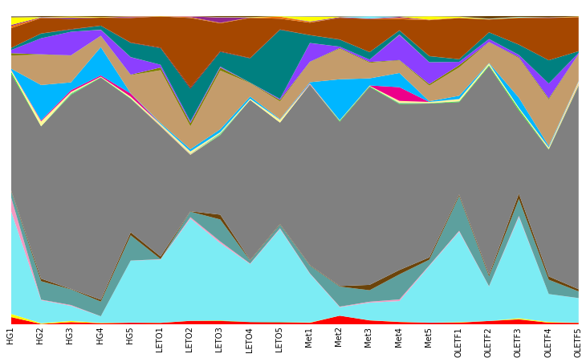
# Constructed from biom file
#OTU ID | HG1 | HG2 | HG3 | HG4 | HG5 | LETO1 | LETO2 | LETO3 | LETO4 | LETO5 | Met1 | Met2 | Met3 | Met4 | Met5 | OLETF1 | OLETF2 | OLETF3 | OLETF4 | OLETF5
Unassigned;Other;Other;Other;Other | 0.02303976217 | 0.0011148272018 | 0.007060572278 | 0.0033444816054 | 0.0048309178744 | 0.0044593088071 | 0.011148272018 | 0.010776662951 | 0.007060572278 | 0.0055741360089 | 0.0048309178744 | 0.027870680045 | 0.012634708287 | 0.0074321813452 | 0.0048309178744 | 0.0052025269417 | 0.010776662951 | 0.015607580825 | 0.0052025269417 | 0.0044593088071
k__Bacteria;Other;Other;Other;Other | 0 | 0 | 0 | 0 | 0.00037160906726 | 0 | 0 | 0 | 0 | 0 | 0 | 0 | 0 | 0 | 0.00037160906726 | 0 | 0 | 0 | 0 | 0
k__Bacteria;p__Actinobacteria;c__Actinobacteria;o__Actinomycetales;f__Corynebacteriaceae | 0 | 0 | 0 | 0 | 0 | 0 | 0 | 0 | 0 | 0 | 0 | 0 | 0 | 0 | 0 | 0 | 0 | 0 | 0 | 0.00037160906726
k__Bacteria;p__Actinobacteria;c__Coriobacteriia;o__Coriobacteriales;f__Coriobacteriaceae | 0.00037160906726 | 0 | 0 | 0 | 0 | 0 | 0 | 0.00074321813452 | 0.00037160906726 | 0.0011148272018 | 0 | 0 | 0 | 0 | 0 | 0 | 0 | 0 | 0 | 0
k__Bacteria;p__Bacteroidetes;c__Bacteroidia;o__Bacteroidales;Other | 0 | 0 | 0 | 0.00037160906726 | 0 | 0 | 0 | 0 | 0 | 0.00037160906726 | 0 | 0 | 0 | 0 | 0 | 0.00037160906726 | 0 | 0.00074321813452 | 0 | 0
k__Bacteria;p__Bacteroidetes;c__Bacteroidia;o__Bacteroidales;f__ | 0.010033444816 | 0.0022296544036 | 0.0037160906726 | 0.0011148272018 | 0.00074321813452 | 0.00037160906726 | 0.00037160906726 | 0.0011148272018 | 0 | 0.00037160906726 | 0.0011148272018 | 0 | 0.00037160906726 | 0.00074321813452 | 0.00037160906726 | 0.001486436269 | 0 | 0.0033444816054 | 0.0022296544036 | 0.00037160906726
k__Bacteria;p__Bacteroidetes;c__Bacteroidia;o__Bacteroidales;f__Bacteroidaceae | 0.33221850613 | 0.074693422519 | 0.049052396879 | 0.020810107767 | 0.20029728725 | 0.20512820513 | 0.331475288 | 0.25046451133 | 0.18766257897 | 0.30137495355 | 0.15756224452 | 0.027499070977 | 0.057227796358 | 0.067261241174 | 0.18320327016 | 0.29319955407 | 0.11148272018 | 0.32813080639 | 0.090672612412 | 0.079524340394
k__Bacteria;p__Bacteroidetes;c__Bacteroidia;o__Bacteroidales;f__Porphyromonadaceae | 0.044593088071 | 0.0018580453363 | 0.0026012634708 | 0.00037160906726 | 0.00037160906726 | 0.0011148272018 | 0.0044593088071 | 0.0055741360089 | 0.0018580453363 | 0.0026012634708 | 0.0018580453363 | 0.0018580453363 | 0.0029728725381 | 0.0052025269417 | 0.0022296544036 | 0.0029728725381 | 0.0011148272018 | 0.0037160906726 | 0 | 0.00037160906726
k__Bacteria;p__Bacteroidetes;c__Bacteroidia;o__Bacteroidales;f__Prevotellaceae | 0.020438498699 | 0.059829059829 | 0.050910442215 | 0.047565960609 | 0.082125603865 | 0.00074321813452 | 0.017837235229 | 0.071348940914 | 0.0096618357488 | 0.011891490152 | 0.024897807506 | 0.065031586771 | 0.037160906726 | 0.08138238573 | 0.018580453363 | 0.11296915645 | 0.031958379785 | 0.054998141955 | 0.046451133408 | 0.021553325901
k__Bacteria;p__Bacteroidetes;c__Bacteroidia;o__Bacteroidales;f__Rikenellaceae | 0.0033444816054 | 0.0081753994798 | 0.001486436269 | 0.0059457450762 | 0.0096618357488 | 0.0081753994798 | 0.001486436269 | 0.015607580825 | 0.0018580453363 | 0.0022296544036 | 0.0018580453363 | 0.0018580453363 | 0.017465626161 | 0.014121144556 | 0.0074321813452 | 0.0048309178744 | 0.0055741360089 | 0.017094017094 | 0.010776662951 | 0.007060572278
k__Bacteria;p__Bacteroidetes;c__Bacteroidia;o__Bacteroidales;f__S24-7 | 0.37904124861 | 0.49424005946 | 0.62950575994 | 0.72092159049 | 0.43329617243 | 0.42214790041 | 0.18320327016 | 0.25826830175 | 0.51950947603 | 0.32887402453 | 0.58602749907 | 0.53325901152 | 0.6425120773 | 0.53846153846 | 0.49907097733 | 0.29988851728 | 0.67707172055 | 0.2701597919 | 0.41137123746 | 0.65997770346
k__Bacteria;p__Bacteroidetes;c__Bacteroidia;o__Bacteroidales;f__[Odoribacteraceae] | 0.0052025269417 | 0.00037160906726 | 0.0018580453363 | 0.0011148272018 | 0.0011148272018 | 0.00037160906726 | 0 | 0.001486436269 | 0 | 0 | 0 | 0.0022296544036 | 0.0018580453363 | 0.001486436269 | 0.0011148272018 | 0.0018580453363 | 0.0022296544036 | 0.0040876997399 | 0.0011148272018 | 0.001486436269
k__Bacteria;p__Bacteroidetes;c__Bacteroidia;o__Bacteroidales;f__[Paraprevotellaceae] | 0.00037160906726 | 0 | 0 | 0 | 0 | 0 | 0 | 0 | 0 | 0 | 0 | 0 | 0 | 0 | 0 | 0 | 0 | 0 | 0 | 0.00037160906726
k__Bacteria;p__Bacteroidetes;c__Bacteroidia;o__Bacteroidales;f__p-2534-18B5 | 0 | 0 | 0 | 0 | 0 | 0 | 0 | 0 | 0 | 0 | 0 | 0 | 0 | 0.00037160906726 | 0 | 0 | 0 | 0 | 0 | 0
k__Bacteria;p__Deferribacteres;c__Deferribacteres;o__Deferribacterales;f__Deferribacteraceae | 0 | 0 | 0 | 0 | 0 | 0.0040876997399 | 0.0022296544036 | 0.00037160906726 | 0 | 0 | 0 | 0 | 0 | 0 | 0.00074321813452 | 0.00037160906726 | 0 | 0.0018580453363 | 0.00037160906726 | 0.0081753994798
k__Bacteria;p__Firmicutes;c__Bacilli;o__Bacillales;f__Bacillaceae | 0 | 0 | 0.0033444816054 | 0 | 0.00074321813452 | 0 | 0.001486436269 | 0.0040876997399 | 0 | 0 | 0 | 0 | 0 | 0.0011148272018 | 0 | 0.00037160906726 | 0 | 0.00037160906726 | 0 | 0
k__Bacteria;p__Firmicutes;c__Bacilli;o__Bacillales;f__Planococcaceae | 0 | 0 | 0 | 0 | 0 | 0 | 0 | 0 | 0 | 0 | 0 | 0.00074321813452 | 0 | 0.0011148272018 | 0.00037160906726 | 0.00037160906726 | 0.00037160906726 | 0 | 0.00037160906726 | 0.00037160906726
k__Bacteria;p__Firmicutes;c__Bacilli;o__Lactobacillales;f__Lactobacillaceae | 0.0052025269417 | 0.015979189892 | 0.0044593088071 | 0.0018580453363 | 0.0048309178744 | 0.0029728725381 | 0.0063173541434 | 0.0033444816054 | 0.0037160906726 | 0.0089186176143 | 0.0018580453363 | 0.0011148272018 | 0.001486436269 | 0.0059457450762 | 0.0029728725381 | 0.0066889632107 | 0.0059457450762 | 0.0026012634708 | 0.0052025269417 | 0.0033444816054
k__Bacteria;p__Firmicutes;c__Bacilli;o__Lactobacillales;f__Streptococcaceae | 0.00037160906726 | 0 | 0 | 0 | 0 | 0 | 0.00074321813452 | 0 | 0 | 0.00037160906726 | 0 | 0.00037160906726 | 0 | 0 | 0 | 0 | 0 | 0 | 0 | 0.00037160906726
k__Bacteria;p__Firmicutes;c__Bacilli;o__Turicibacterales;f__Turicibacteraceae | 0.0011148272018 | 0.0029728725381 | 0.0055741360089 | 0.0040876997399 | 0.010405053883 | 0 | 0.00037160906726 | 0 | 0 | 0.00037160906726 | 0.0018580453363 | 0.00037160906726 | 0.0011148272018 | 0.044593088071 | 0 | 0.00037160906726 | 0 | 0 | 0.00074321813452 | 0.00037160906726
k__Bacteria;p__Firmicutes;c__Clostridia;o__Clostridiales;Other | 0.0037160906726 | 0.11482720178 | 0.025269416574 | 0.091787439613 | 0.00074321813452 | 0.0033444816054 | 0.007060572278 | 0.0096618357488 | 0.007060572278 | 0.0018580453363 | 0.0033444816054 | 0.13266443701 | 0.02303976217 | 0.04607952434 | 0.0022296544036 | 0.010405053883 | 0.0011148272018 | 0.032329988852 | 0.0040876997399 | 0.001486436269
k__Bacteria;p__Firmicutes;c__Clostridia;o__Clostridiales;f__ | 0.043106651802 | 0.098104793757 | 0.086956521739 | 0.036417688592 | 0.058714232627 | 0.17131178001 | 0.074321813452 | 0.1906354515 | 0.04347826087 | 0.057227796358 | 0.065403195838 | 0.099219620959 | 0.050538833147 | 0.040505388331 | 0.050910442215 | 0.092159048681 | 0.067261241174 | 0.12857673727 | 0.15050167224 | 0.086584912672
k__Bacteria;p__Firmicutes;c__Clostridia;o__Clostridiales;f__Christensenellaceae | 0.0074321813452 | 0.001486436269 | 0.00074321813452 | 0.00037160906726 | 0.001486436269 | 0.0089186176143 | 0.010405053883 | 0.0092902266815 | 0.001486436269 | 0.0048309178744 | 0.0011148272018 | 0.0022296544036 | 0.0026012634708 | 0.001486436269 | 0.0048309178744 | 0.0074321813452 | 0.00074321813452 | 0.0026012634708 | 0.0037160906726 | 0.00074321813452
k__Bacteria;p__Firmicutes;c__Clostridia;o__Clostridiales;f__Clostridiaceae | 0.010405053883 | 0.052025269417 | 0.076551467856 | 0.01895206243 | 0.056856187291 | 0.0089186176143 | 0.0052025269417 | 0.0029728725381 | 0.00037160906726 | 0.0033444816054 | 0.060572277964 | 0.0044593088071 | 0.0078037904125 | 0.08138238573 | 0.07060572278 | 0.010405053883 | 0.010033444816 | 0.0074321813452 | 0.048309178744 | 0.0037160906726
k__Bacteria;p__Firmicutes;c__Clostridia;o__Clostridiales;f__Dehalobacteriaceae | 0 | 0 | 0 | 0.00074321813452 | 0.00037160906726 | 0 | 0 | 0.00037160906726 | 0 | 0 | 0.00037160906726 | 0 | 0 | 0.001486436269 | 0.00037160906726 | 0 | 0 | 0.00037160906726 | 0 | 0
k__Bacteria;p__Firmicutes;c__Clostridia;o__Clostridiales;f__Lachnospiraceae | 0.0066889632107 | 0.015235971758 | 0.007060572278 | 0.013006317354 | 0.04607952434 | 0.053883314753 | 0.10628019324 | 0.047937569677 | 0.078781122259 | 0.22408026756 | 0.025269416574 | 0.022668153103 | 0.024154589372 | 0.012634708287 | 0.019323671498 | 0.008547008547 | 0.021553325901 | 0.033073206986 | 0.075436640654 | 0.0052025269417
k__Bacteria;p__Firmicutes;c__Clostridia;o__Clostridiales;f__Peptococcaceae | 0 | 0 | 0.001486436269 | 0 | 0.0011148272018 | 0.0018580453363 | 0.0040876997399 | 0.0018580453363 | 0.0011148272018 | 0.0011148272018 | 0 | 0.00074321813452 | 0 | 0.00074321813452 | 0 | 0 | 0 | 0.00037160906726 | 0 | 0
k__Bacteria;p__Firmicutes;c__Clostridia;o__Clostridiales;f__Peptostreptococcaceae | 0 | 0.00037160906726 | 0 | 0 | 0 | 0 | 0 | 0 | 0 | 0 | 0.00037160906726 | 0 | 0 | 0.00037160906726 | 0.00074321813452 | 0 | 0 | 0 | 0 | 0
k__Bacteria;p__Firmicutes;c__Clostridia;o__Clostridiales;f__Ruminococcaceae | 0.064288368636 | 0.05016722408 | 0.033444816053 | 0.026012634708 | 0.079524340394 | 0.10107766629 | 0.22519509476 | 0.090672612412 | 0.13006317354 | 0.034931252323 | 0.040133779264 | 0.070234113712 | 0.10739502044 | 0.036046079524 | 0.11631363805 | 0.13340765515 | 0.041620215533 | 0.086584912672 | 0.13712374582 | 0.11036789298
k__Bacteria;p__Firmicutes;c__Clostridia;o__Clostridiales;f__Veillonellaceae | 0 | 0 | 0 | 0 | 0.00037160906726 | 0 | 0 | 0 | 0 | 0 | 0 | 0 | 0 | 0 | 0 | 0 | 0 | 0 | 0.00037160906726 | 0
k__Bacteria;p__Firmicutes;c__Clostridia;o__Clostridiales;f__[Mogibacteriaceae] | 0 | 0 | 0.00074321813452 | 0 | 0.00037160906726 | 0 | 0.00037160906726 | 0 | 0 | 0 | 0 | 0 | 0 | 0 | 0 | 0 | 0 | 0 | 0.00037160906726 | 0
k__Bacteria;p__Firmicutes;c__Erysipelotrichi;o__Erysipelotrichales;f__Erysipelotrichaceae | 0.0066889632107 | 0.0011148272018 | 0.00037160906726 | 0.00037160906726 | 0.001486436269 | 0.00037160906726 | 0.0026012634708 | 0.001486436269 | 0.0011148272018 | 0.0066889632107 | 0.0022296544036 | 0 | 0.00037160906726 | 0.0040876997399 | 0.001486436269 | 0.0011148272018 | 0.00037160906726 | 0.00074321813452 | 0.00037160906726 | 0.001486436269
k__Bacteria;p__Fusobacteria;c__Fusobacteriia;o__Fusobacteriales;f__Fusobacteriaceae | 0 | 0 | 0 | 0 | 0 | 0 | 0 | 0 | 0 | 0 | 0.00037160906726 | 0 | 0 | 0 | 0 | 0 | 0 | 0 | 0 | 0
k__Bacteria;p__Proteobacteria;c__Alphaproteobacteria;o__RF32;f__ | 0.0037160906726 | 0.001486436269 | 0.0029728725381 | 0.00037160906726 | 0.0026012634708 | 0 | 0.0018580453363 | 0.017837235229 | 0 | 0 | 0.001486436269 | 0.0022296544036 | 0.001486436269 | 0.0033444816054 | 0.00037160906726 | 0 | 0 | 0 | 0 | 0
k__Bacteria;p__Proteobacteria;c__Betaproteobacteria;o__Burkholderiales;f__Alcaligenaceae | 0.024154589372 | 0 | 0.0033444816054 | 0.001486436269 | 0.00074321813452 | 0.00074321813452 | 0.00037160906726 | 0.00074321813452 | 0.0011148272018 | 0.001486436269 | 0.01486436269 | 0.00074321813452 | 0 | 0.00037160906726 | 0.010776662951 | 0.0033444816054 | 0.00074321813452 | 0.00074321813452 | 0 | 0.0011148272018
k__Bacteria;p__Proteobacteria;c__Deltaproteobacteria;o__Desulfovibrionales;f__Desulfovibrionaceae | 0 | 0.00074321813452 | 0 | 0 | 0 | 0 | 0 | 0.00037160906726 | 0.00037160906726 | 0.00037160906726 | 0.0011148272018 | 0.00074321813452 | 0.0074321813452 | 0.00074321813452 | 0 | 0.00037160906726 | 0.00074321813452 | 0.0018580453363 | 0.00037160906726 | 0
k__Bacteria;p__Proteobacteria;c__Gammaproteobacteria;o__Enterobacteriales;f__Enterobacteriaceae | 0.00037160906726 | 0 | 0 | 0 | 0.00037160906726 | 0 | 0.0011148272018 | 0 | 0 | 0 | 0.00037160906726 | 0.00037160906726 | 0.00037160906726 | 0.00037160906726 | 0.00037160906726 | 0 | 0.00074321813452 | 0 | 0.00037160906726 | 0
k__Bacteria;p__Spirochaetes;c__Spirochaetes;o__Spirochaetales;f__Spirochaetaceae | 0 | 0 | 0 | 0 | 0 | 0 | 0 | 0 | 0 | 0 | 0 | 0.00037160906726 | 0 | 0.00037160906726 | 0.00037160906726 | 0 | 0 | 0 | 0 | 0
k__Bacteria;p__Tenericutes;c__Mollicutes;o__RF39;f__ | 0.0022296544036 | 0.0029728725381 | 0.001486436269 | 0.0029728725381 | 0.00037160906726 | 0 | 0 | 0.0029728725381 | 0.0033444816054 | 0 | 0.00074321813452 | 0.0011148272018 | 0 | 0.00074321813452 | 0 | 0.0011148272018 | 0.008547008547 | 0.0026012634708 | 0.0044593088071 | 0.0011148272018
k__Bacteria;p__Verrucomicrobia;c__Verrucomicrobiae;o__Verrucomicrobiales;f__Verrucomicrobiaceae | 0.0018580453363 | 0 | 0 | 0 | 0 | 0 | 0 | 0 | 0 | 0 | 0.00037160906726 | 0 | 0 | 0 | 0 | 0.00074321813452 | 0 | 0 | 0 | 0

genus
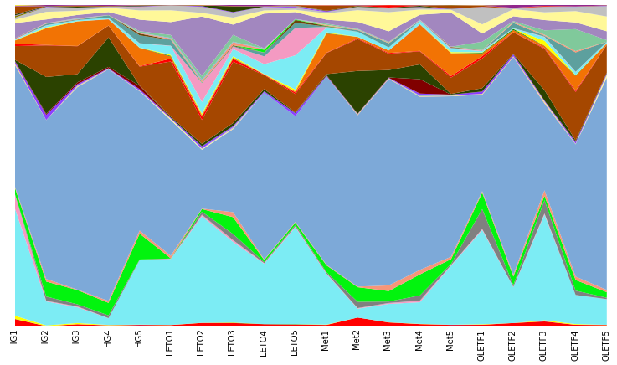
#OTU ID | HG1 | HG2 | HG3 | HG4 | HG5 | LETO1 | LETO2 | LETO3 | LETO4 | LETO5 | Met1 | Met2 | Met3 | Met4 | Met5 | OLETF1 | OLETF2 | OLETF3 | OLETF4 | OLETF5
Unassigned;Other;Other;Other;Other;Other | 0.02303976217 | 0.0011148272018 | 0.007060572278 | 0.0033444816054 | 0.0048309178744 | 0.0044593088071 | 0.011148272018 | 0.010776662951 | 0.007060572278 | 0.0055741360089 | 0.0048309178744 | 0.027870680045 | 0.012634708287 | 0.0074321813452 | 0.0048309178744 | 0.0052025269417 | 0.010776662951 | 0.015607580825 | 0.0052025269417 | 0.0044593088071
k__Bacteria;Other;Other;Other;Other;Other | 0 | 0 | 0 | 0 | 0.00037160906726 | 0 | 0 | 0 | 0 | 0 | 0 | 0 | 0 | 0 | 0.00037160906726 | 0 | 0 | 0 | 0 | 0
k__Bacteria;p__Actinobacteria;c__Actinobacteria;o__Actinomycetales;f__Corynebacteriaceae;g__Corynebacterium | 0 | 0 | 0 | 0 | 0 | 0 | 0 | 0 | 0 | 0 | 0 | 0 | 0 | 0 | 0 | 0 | 0 | 0 | 0 | 0.00037160906726
k__Bacteria;p__Actinobacteria;c__Coriobacteriia;o__Coriobacteriales;f__Coriobacteriaceae;g__Adlercreutzia | 0.00037160906726 | 0 | 0 | 0 | 0 | 0 | 0 | 0.00074321813452 | 0.00037160906726 | 0.0011148272018 | 0 | 0 | 0 | 0 | 0 | 0 | 0 | 0 | 0 | 0
k__Bacteria;p__Bacteroidetes;c__Bacteroidia;o__Bacteroidales;Other;Other | 0 | 0 | 0 | 0.00037160906726 | 0 | 0 | 0 | 0 | 0 | 0.00037160906726 | 0 | 0 | 0 | 0 | 0 | 0.00037160906726 | 0 | 0.00074321813452 | 0 | 0
k__Bacteria;p__Bacteroidetes;c__Bacteroidia;o__Bacteroidales;f__;g__ | 0.010033444816 | 0.0022296544036 | 0.0037160906726 | 0.0011148272018 | 0.00074321813452 | 0.00037160906726 | 0.00037160906726 | 0.0011148272018 | 0 | 0.00037160906726 | 0.0011148272018 | 0 | 0.00037160906726 | 0.00074321813452 | 0.00037160906726 | 0.001486436269 | 0 | 0.0033444816054 | 0.0022296544036 | 0.00037160906726
k__Bacteria;p__Bacteroidetes;c__Bacteroidia;o__Bacteroidales;f__Bacteroidaceae;g__Bacteroides | 0.33221850613 | 0.074693422519 | 0.049052396879 | 0.020810107767 | 0.20029728725 | 0.20512820513 | 0.331475288 | 0.25046451133 | 0.18766257897 | 0.30137495355 | 0.15756224452 | 0.027499070977 | 0.057227796358 | 0.067261241174 | 0.18320327016 | 0.29319955407 | 0.11148272018 | 0.32813080639 | 0.090672612412 | 0.079524340394
k__Bacteria;p__Bacteroidetes;c__Bacteroidia;o__Bacteroidales;f__Porphyromonadaceae;g__Parabacteroides | 0.044593088071 | 0.0018580453363 | 0.0026012634708 | 0.00037160906726 | 0.00037160906726 | 0.00074321813452 | 0.0044593088071 | 0.0055741360089 | 0.0018580453363 | 0.0026012634708 | 0.0018580453363 | 0.0018580453363 | 0.0026012634708 | 0.0052025269417 | 0.0022296544036 | 0.0029728725381 | 0.0011148272018 | 0.0037160906726 | 0 | 0.00037160906726
k__Bacteria;p__Bacteroidetes;c__Bacteroidia;o__Bacteroidales;f__Porphyromonadaceae;g__Porphyromonas | 0 | 0 | 0 | 0 | 0 | 0.00037160906726 | 0 | 0 | 0 | 0 | 0 | 0 | 0.00037160906726 | 0 | 0 | 0 | 0 | 0 | 0 | 0
k__Bacteria;p__Bacteroidetes;c__Bacteroidia;o__Bacteroidales;f__Prevotellaceae;Other | 0 | 0 | 0 | 0 | 0 | 0 | 0.00037160906726 | 0 | 0 | 0 | 0 | 0 | 0 | 0 | 0 | 0 | 0 | 0 | 0 | 0
k__Bacteria;p__Bacteroidetes;c__Bacteroidia;o__Bacteroidales;f__Prevotellaceae;g__ | 0.00037160906726 | 0.013377926421 | 0.0066889632107 | 0.008547008547 | 0.0018580453363 | 0.00037160906726 | 0.0092902266815 | 0.01895206243 | 0.0033444816054 | 0.0044593088071 | 0.0037160906726 | 0.019695280565 | 0.0044593088071 | 0.015979189892 | 0.0037160906726 | 0.062058714233 | 0.0055741360089 | 0.041248606466 | 0.013377926421 | 0.0044593088071
k__Bacteria;p__Bacteroidetes;c__Bacteroidia;o__Bacteroidales;f__Prevotellaceae;g__Prevotella | 0.020066889632 | 0.046451133408 | 0.044221479004 | 0.039018952062 | 0.080267558528 | 0.00037160906726 | 0.0081753994798 | 0.052396878484 | 0.0063173541434 | 0.0074321813452 | 0.021181716834 | 0.045336306206 | 0.032701597919 | 0.065403195838 | 0.01486436269 | 0.050910442215 | 0.026384243775 | 0.013749535489 | 0.033073206986 | 0.017094017094
k__Bacteria;p__Bacteroidetes;c__Bacteroidia;o__Bacteroidales;f__Rikenellaceae;g__ | 0.0033444816054 | 0.0081753994798 | 0.001486436269 | 0.0059457450762 | 0.0096618357488 | 0.0081753994798 | 0.001486436269 | 0.015607580825 | 0.0018580453363 | 0.0022296544036 | 0.0018580453363 | 0.0018580453363 | 0.017465626161 | 0.014121144556 | 0.0074321813452 | 0.0048309178744 | 0.0055741360089 | 0.017094017094 | 0.010776662951 | 0.007060572278
k__Bacteria;p__Bacteroidetes;c__Bacteroidia;o__Bacteroidales;f__S24-7;g__ | 0.37904124861 | 0.49424005946 | 0.62950575994 | 0.72092159049 | 0.43329617243 | 0.42214790041 | 0.18320327016 | 0.25826830175 | 0.51950947603 | 0.32887402453 | 0.58602749907 | 0.53325901152 | 0.6425120773 | 0.53846153846 | 0.49907097733 | 0.29988851728 | 0.67707172055 | 0.2701597919 | 0.41137123746 | 0.65997770346
k__Bacteria;p__Bacteroidetes;c__Bacteroidia;o__Bacteroidales;f__[Odoribacteraceae];g__Odoribacter | 0.0052025269417 | 0.00037160906726 | 0.0018580453363 | 0.0011148272018 | 0.0011148272018 | 0.00037160906726 | 0 | 0.001486436269 | 0 | 0 | 0 | 0.0022296544036 | 0.0018580453363 | 0.001486436269 | 0.0011148272018 | 0.0018580453363 | 0.0022296544036 | 0.0040876997399 | 0.0011148272018 | 0.001486436269
k__Bacteria;p__Bacteroidetes;c__Bacteroidia;o__Bacteroidales;f__[Paraprevotellaceae];g__CF231 | 0.00037160906726 | 0 | 0 | 0 | 0 | 0 | 0 | 0 | 0 | 0 | 0 | 0 | 0 | 0 | 0 | 0 | 0 | 0 | 0 | 0.00037160906726
k__Bacteria;p__Bacteroidetes;c__Bacteroidia;o__Bacteroidales;f__p-2534-18B5;g__ | 0 | 0 | 0 | 0 | 0 | 0 | 0 | 0 | 0 | 0 | 0 | 0 | 0 | 0.00037160906726 | 0 | 0 | 0 | 0 | 0 | 0
k__Bacteria;p__Deferribacteres;c__Deferribacteres;o__Deferribacterales;f__Deferribacteraceae;g__Mucispirillum | 0 | 0 | 0 | 0 | 0 | 0.0040876997399 | 0.0022296544036 | 0.00037160906726 | 0 | 0 | 0 | 0 | 0 | 0 | 0.00074321813452 | 0.00037160906726 | 0 | 0.0018580453363 | 0.00037160906726 | 0.0081753994798
k__Bacteria;p__Firmicutes;c__Bacilli;o__Bacillales;f__Bacillaceae;g__ | 0 | 0 | 0.0033444816054 | 0 | 0.00074321813452 | 0 | 0.001486436269 | 0.0040876997399 | 0 | 0 | 0 | 0 | 0 | 0.0011148272018 | 0 | 0.00037160906726 | 0 | 0.00037160906726 | 0 | 0
k__Bacteria;p__Firmicutes;c__Bacilli;o__Bacillales;f__Planococcaceae;Other | 0 | 0 | 0 | 0 | 0 | 0 | 0 | 0 | 0 | 0 | 0 | 0 | 0 | 0 | 0 | 0 | 0.00037160906726 | 0 | 0 | 0
k__Bacteria;p__Firmicutes;c__Bacilli;o__Bacillales;f__Planococcaceae;g__ | 0 | 0 | 0 | 0 | 0 | 0 | 0 | 0 | 0 | 0 | 0 | 0 | 0 | 0.00074321813452 | 0.00037160906726 | 0 | 0 | 0 | 0.00037160906726 | 0.00037160906726
k__Bacteria;p__Firmicutes;c__Bacilli;o__Bacillales;f__Planococcaceae;g__Lysinibacillus | 0 | 0 | 0 | 0 | 0 | 0 | 0 | 0 | 0 | 0 | 0 | 0.00074321813452 | 0 | 0 | 0 | 0 | 0 | 0 | 0 | 0
k__Bacteria;p__Firmicutes;c__Bacilli;o__Bacillales;f__Planococcaceae;g__Rummeliibacillus | 0 | 0 | 0 | 0 | 0 | 0 | 0 | 0 | 0 | 0 | 0 | 0 | 0 | 0.00037160906726 | 0 | 0.00037160906726 | 0 | 0 | 0 | 0
k__Bacteria;p__Firmicutes;c__Bacilli;o__Lactobacillales;f__Lactobacillaceae;g__Lactobacillus | 0.0052025269417 | 0.015979189892 | 0.0044593088071 | 0.0018580453363 | 0.0048309178744 | 0.0029728725381 | 0.0063173541434 | 0.0033444816054 | 0.0037160906726 | 0.0089186176143 | 0.0018580453363 | 0.0011148272018 | 0.001486436269 | 0.0059457450762 | 0.0029728725381 | 0.0066889632107 | 0.0059457450762 | 0.0026012634708 | 0.0052025269417 | 0.0033444816054
k__Bacteria;p__Firmicutes;c__Bacilli;o__Lactobacillales;f__Streptococcaceae;g__Lactococcus | 0.00037160906726 | 0 | 0 | 0 | 0 | 0 | 0 | 0 | 0 | 0 | 0 | 0 | 0 | 0 | 0 | 0 | 0 | 0 | 0 | 0
k__Bacteria;p__Firmicutes;c__Bacilli;o__Lactobacillales;f__Streptococcaceae;g__Streptococcus | 0 | 0 | 0 | 0 | 0 | 0 | 0.00074321813452 | 0 | 0 | 0.00037160906726 | 0 | 0.00037160906726 | 0 | 0 | 0 | 0 | 0 | 0 | 0 | 0.00037160906726
k__Bacteria;p__Firmicutes;c__Bacilli;o__Turicibacterales;f__Turicibacteraceae;g__Turicibacter | 0.0011148272018 | 0.0029728725381 | 0.0055741360089 | 0.0040876997399 | 0.010405053883 | 0 | 0.00037160906726 | 0 | 0 | 0.00037160906726 | 0.0018580453363 | 0.00037160906726 | 0.0011148272018 | 0.044593088071 | 0 | 0.00037160906726 | 0 | 0 | 0.00074321813452 | 0.00037160906726
k__Bacteria;p__Firmicutes;c__Clostridia;o__Clostridiales;Other;Other | 0.0037160906726 | 0.11482720178 | 0.025269416574 | 0.091787439613 | 0.00074321813452 | 0.0033444816054 | 0.007060572278 | 0.0096618357488 | 0.007060572278 | 0.0018580453363 | 0.0033444816054 | 0.13266443701 | 0.02303976217 | 0.04607952434 | 0.0022296544036 | 0.010405053883 | 0.0011148272018 | 0.032329988852 | 0.0040876997399 | 0.001486436269
k__Bacteria;p__Firmicutes;c__Clostridia;o__Clostridiales;f__;g__ | 0.043106651802 | 0.098104793757 | 0.086956521739 | 0.036417688592 | 0.058714232627 | 0.17131178001 | 0.074321813452 | 0.1906354515 | 0.04347826087 | 0.057227796358 | 0.065403195838 | 0.099219620959 | 0.050538833147 | 0.040505388331 | 0.050910442215 | 0.092159048681 | 0.067261241174 | 0.12857673727 | 0.15050167224 | 0.086584912672
k__Bacteria;p__Firmicutes;c__Clostridia;o__Clostridiales;f__Christensenellaceae;g__ | 0.0074321813452 | 0.001486436269 | 0.00074321813452 | 0.00037160906726 | 0.001486436269 | 0.0089186176143 | 0.010405053883 | 0.0092902266815 | 0.001486436269 | 0.0048309178744 | 0.0011148272018 | 0.0022296544036 | 0.0026012634708 | 0.001486436269 | 0.0048309178744 | 0.0074321813452 | 0.00074321813452 | 0.0026012634708 | 0.0037160906726 | 0.00074321813452
k__Bacteria;p__Firmicutes;c__Clostridia;o__Clostridiales;f__Clostridiaceae;Other | 0 | 0 | 0 | 0 | 0 | 0 | 0 | 0 | 0 | 0 | 0 | 0 | 0 | 0 | 0 | 0 | 0 | 0.00037160906726 | 0.00037160906726 | 0
k__Bacteria;p__Firmicutes;c__Clostridia;o__Clostridiales;f__Clostridiaceae;g__ | 0.010033444816 | 0.052025269417 | 0.076551467856 | 0.01895206243 | 0.056484578224 | 0.007060572278 | 0.0044593088071 | 0.0018580453363 | 0.00037160906726 | 0.0029728725381 | 0.059457450762 | 0.0044593088071 | 0.0078037904125 | 0.08138238573 | 0.07060572278 | 0.008547008547 | 0.0066889632107 | 0.0066889632107 | 0.046451133408 | 0.0037160906726
k__Bacteria;p__Firmicutes;c__Clostridia;o__Clostridiales;f__Clostridiaceae;g__Clostridium | 0.00037160906726 | 0 | 0 | 0 | 0.00037160906726 | 0.0018580453363 | 0.00074321813452 | 0.0011148272018 | 0 | 0.00037160906726 | 0.0011148272018 | 0 | 0 | 0 | 0 | 0.0018580453363 | 0.0033444816054 | 0.00037160906726 | 0.001486436269 | 0
k__Bacteria;p__Firmicutes;c__Clostridia;o__Clostridiales;f__Dehalobacteriaceae;g__Dehalobacterium | 0 | 0 | 0 | 0.00074321813452 | 0.00037160906726 | 0 | 0 | 0.00037160906726 | 0 | 0 | 0.00037160906726 | 0 | 0 | 0.001486436269 | 0.00037160906726 | 0 | 0 | 0.00037160906726 | 0 | 0
k__Bacteria;p__Firmicutes;c__Clostridia;o__Clostridiales;f__Lachnospiraceae;Other | 0.00074321813452 | 0.0022296544036 | 0.00037160906726 | 0.00037160906726 | 0.00074321813452 | 0.0029728725381 | 0.0044593088071 | 0.0044593088071 | 0.0011148272018 | 0.0059457450762 | 0.0026012634708 | 0.00037160906726 | 0 | 0.00074321813452 | 0.0033444816054 | 0.001486436269 | 0 | 0.01486436269 | 0.0011148272018 | 0.00037160906726
k__Bacteria;p__Firmicutes;c__Clostridia;o__Clostridiales;f__Lachnospiraceae;g__ | 0.0026012634708 | 0.0059457450762 | 0.0037160906726 | 0.0044593088071 | 0.012634708287 | 0.027870680045 | 0.036046079524 | 0.022668153103 | 0.030843552583 | 0.10628019324 | 0.014492753623 | 0.015607580825 | 0.0092902266815 | 0.010033444816 | 0.0096618357488 | 0.0040876997399 | 0.0018580453363 | 0.011148272018 | 0.0092902266815 | 0.0044593088071
k__Bacteria;p__Firmicutes;c__Clostridia;o__Clostridiales;f__Lachnospiraceae;g__Blautia | 0.0022296544036 | 0.00074321813452 | 0 | 0 | 0.00074321813452 | 0.00074321813452 | 0.058714232627 | 0.0074321813452 | 0.024154589372 | 0.085098476403 | 0.0018580453363 | 0 | 0 | 0 | 0.0026012634708 | 0.001486436269 | 0.00037160906726 | 0.001486436269 | 0.00074321813452 | 0
k__Bacteria;p__Firmicutes;c__Clostridia;o__Clostridiales;f__Lachnospiraceae;g__Coprococcus | 0 | 0.0048309178744 | 0.0011148272018 | 0.0074321813452 | 0.024526198439 | 0.017465626161 | 0.001486436269 | 0.001486436269 | 0.011148272018 | 0.015979189892 | 0.0011148272018 | 0.0048309178744 | 0.013006317354 | 0.0011148272018 | 0.0018580453363 | 0.00037160906726 | 0.01635079896 | 0.0022296544036 | 0.059829059829 | 0
k__Bacteria;p__Firmicutes;c__Clostridia;o__Clostridiales;f__Lachnospiraceae;g__Dorea | 0.0011148272018 | 0 | 0.00074321813452 | 0 | 0.0055741360089 | 0.00074321813452 | 0.00037160906726 | 0.0026012634708 | 0 | 0.0089186176143 | 0.001486436269 | 0.00037160906726 | 0 | 0 | 0.0018580453363 | 0.00037160906726 | 0 | 0.00037160906726 | 0.00074321813452 | 0.00037160906726
k__Bacteria;p__Firmicutes;c__Clostridia;o__Clostridiales;f__Lachnospiraceae;g__Lachnospira | 0 | 0.00037160906726 | 0 | 0 | 0 | 0.00037160906726 | 0 | 0 | 0.0011148272018 | 0 | 0 | 0 | 0 | 0 | 0 | 0 | 0 | 0 | 0 | 0
k__Bacteria;p__Firmicutes;c__Clostridia;o__Clostridiales;f__Lachnospiraceae;g__Roseburia | 0 | 0 | 0 | 0.00037160906726 | 0 | 0.00037160906726 | 0.00074321813452 | 0 | 0.008547008547 | 0.0018580453363 | 0.0011148272018 | 0 | 0 | 0 | 0 | 0 | 0 | 0.00037160906726 | 0 | 0
k__Bacteria;p__Firmicutes;c__Clostridia;o__Clostridiales;f__Lachnospiraceae;g__[Ruminococcus] | 0 | 0.0011148272018 | 0.0011148272018 | 0.00037160906726 | 0.0018580453363 | 0.0033444816054 | 0.0044593088071 | 0.0092902266815 | 0.0018580453363 | 0 | 0.0026012634708 | 0.001486436269 | 0.0018580453363 | 0.00074321813452 | 0 | 0.00074321813452 | 0.0029728725381 | 0.0026012634708 | 0.0037160906726 | 0
k__Bacteria;p__Firmicutes;c__Clostridia;o__Clostridiales;f__Peptococcaceae;g__rc4-4 | 0 | 0 | 0.001486436269 | 0 | 0.0011148272018 | 0.0018580453363 | 0.0040876997399 | 0.0018580453363 | 0.0011148272018 | 0.0011148272018 | 0 | 0.00074321813452 | 0 | 0.00074321813452 | 0 | 0 | 0 | 0.00037160906726 | 0 | 0
k__Bacteria;p__Firmicutes;c__Clostridia;o__Clostridiales;f__Peptostreptococcaceae;g__ | 0 | 0.00037160906726 | 0 | 0 | 0 | 0 | 0 | 0 | 0 | 0 | 0.00037160906726 | 0 | 0 | 0.00037160906726 | 0.00074321813452 | 0 | 0 | 0 | 0 | 0
k__Bacteria;p__Firmicutes;c__Clostridia;o__Clostridiales;f__Ruminococcaceae;Other | 0 | 0 | 0.0011148272018 | 0 | 0.0044593088071 | 0.0089186176143 | 0.010776662951 | 0.021181716834 | 0.0011148272018 | 0 | 0.0037160906726 | 0.0018580453363 | 0.0022296544036 | 0.00037160906726 | 0 | 0.026012634708 | 0.0026012634708 | 0.013749535489 | 0.068376068376 | 0.0048309178744
k__Bacteria;p__Firmicutes;c__Clostridia;o__Clostridiales;f__Ruminococcaceae;g__ | 0.047194351542 | 0.011519881085 | 0.010405053883 | 0.0092902266815 | 0.035674470457 | 0.040133779264 | 0.1850613155 | 0.031958379785 | 0.10813823857 | 0.021553325901 | 0.01226309922 | 0.021181716834 | 0.033073206986 | 0.015607580825 | 0.1055369751 | 0.025269416574 | 0.015235971758 | 0.031958379785 | 0.020810107767 | 0.027499070977
k__Bacteria;p__Firmicutes;c__Clostridia;o__Clostridiales;f__Ruminococcaceae;g__Oscillospira | 0.010405053883 | 0.023782980305 | 0.013006317354 | 0.013749535489 | 0.028985507246 | 0.036789297659 | 0.011148272018 | 0.021924934968 | 0.010033444816 | 0.007060572278 | 0.019695280565 | 0.036789297659 | 0.059457450762 | 0.015979189892 | 0.0092902266815 | 0.028613898179 | 0.022296544036 | 0.024154589372 | 0.03530286139 | 0.04607952434
k__Bacteria;p__Firmicutes;c__Clostridia;o__Clostridiales;f__Ruminococcaceae;g__Ruminococcus | 0.0066889632107 | 0.01486436269 | 0.0089186176143 | 0.0029728725381 | 0.010405053883 | 0.015235971758 | 0.018208844296 | 0.015607580825 | 0.010776662951 | 0.0063173541434 | 0.0044593088071 | 0.010405053883 | 0.012634708287 | 0.0040876997399 | 0.001486436269 | 0.053511705686 | 0.001486436269 | 0.016722408027 | 0.012634708287 | 0.031958379785
k__Bacteria;p__Firmicutes;c__Clostridia;o__Clostridiales;f__Veillonellaceae;g__Anaerovibrio | 0 | 0 | 0 | 0 | 0.00037160906726 | 0 | 0 | 0 | 0 | 0 | 0 | 0 | 0 | 0 | 0 | 0 | 0 | 0 | 0 | 0
k__Bacteria;p__Firmicutes;c__Clostridia;o__Clostridiales;f__Veillonellaceae;g__Phascolarctobacterium | 0 | 0 | 0 | 0 | 0 | 0 | 0 | 0 | 0 | 0 | 0 | 0 | 0 | 0 | 0 | 0 | 0 | 0 | 0.00037160906726 | 0
k__Bacteria;p__Firmicutes;c__Clostridia;o__Clostridiales;f__[Mogibacteriaceae];g__ | 0 | 0 | 0.00074321813452 | 0 | 0.00037160906726 | 0 | 0.00037160906726 | 0 | 0 | 0 | 0 | 0 | 0 | 0 | 0 | 0 | 0 | 0 | 0.00037160906726 | 0
k__Bacteria;p__Firmicutes;c__Erysipelotrichi;o__Erysipelotrichales;f__Erysipelotrichaceae;g__ | 0.0048309178744 | 0 | 0 | 0 | 0 | 0 | 0.00037160906726 | 0 | 0 | 0 | 0 | 0 | 0 | 0.00037160906726 | 0 | 0 | 0 | 0.00037160906726 | 0 | 0.00037160906726
k__Bacteria;p__Firmicutes;c__Erysipelotrichi;o__Erysipelotrichales;f__Erysipelotrichaceae;g__Allobaculum | 0.0011148272018 | 0.0011148272018 | 0.00037160906726 | 0.00037160906726 | 0.001486436269 | 0.00037160906726 | 0.0022296544036 | 0.001486436269 | 0.00074321813452 | 0.0029728725381 | 0.0022296544036 | 0 | 0.00037160906726 | 0.0033444816054 | 0.00074321813452 | 0.00074321813452 | 0.00037160906726 | 0.00037160906726 | 0.00037160906726 | 0.0011148272018
k__Bacteria;p__Firmicutes;c__Erysipelotrichi;o__Erysipelotrichales;f__Erysipelotrichaceae;g__Holdemania | 0.00037160906726 | 0 | 0 | 0 | 0 | 0 | 0 | 0 | 0.00037160906726 | 0.0029728725381 | 0 | 0 | 0 | 0.00037160906726 | 0.00037160906726 | 0.00037160906726 | 0 | 0 | 0 | 0
k__Bacteria;p__Firmicutes;c__Erysipelotrichi;o__Erysipelotrichales;f__Erysipelotrichaceae;g__[Eubacterium] | 0.00037160906726 | 0 | 0 | 0 | 0 | 0 | 0 | 0 | 0 | 0.00074321813452 | 0 | 0 | 0 | 0 | 0.00037160906726 | 0 | 0 | 0 | 0 | 0
k__Bacteria;p__Fusobacteria;c__Fusobacteriia;o__Fusobacteriales;f__Fusobacteriaceae;g__Fusobacterium | 0 | 0 | 0 | 0 | 0 | 0 | 0 | 0 | 0 | 0 | 0.00037160906726 | 0 | 0 | 0 | 0 | 0 | 0 | 0 | 0 | 0
k__Bacteria;p__Proteobacteria;c__Alphaproteobacteria;o__RF32;f__;g__ | 0.0037160906726 | 0.001486436269 | 0.0029728725381 | 0.00037160906726 | 0.0026012634708 | 0 | 0.0018580453363 | 0.017837235229 | 0 | 0 | 0.001486436269 | 0.0022296544036 | 0.001486436269 | 0.0033444816054 | 0.00037160906726 | 0 | 0 | 0 | 0 | 0
k__Bacteria;p__Proteobacteria;c__Betaproteobacteria;o__Burkholderiales;f__Alcaligenaceae;g__Sutterella | 0.024154589372 | 0 | 0.0033444816054 | 0.001486436269 | 0.00074321813452 | 0.00074321813452 | 0.00037160906726 | 0.00074321813452 | 0.0011148272018 | 0.001486436269 | 0.01486436269 | 0.00074321813452 | 0 | 0.00037160906726 | 0.010776662951 | 0.0033444816054 | 0.00074321813452 | 0.00074321813452 | 0 | 0.0011148272018
k__Bacteria;p__Proteobacteria;c__Deltaproteobacteria;o__Desulfovibrionales;f__Desulfovibrionaceae;g__ | 0 | 0.00037160906726 | 0 | 0 | 0 | 0 | 0 | 0.00037160906726 | 0 | 0.00037160906726 | 0.0011148272018 | 0.00074321813452 | 0.0074321813452 | 0.00074321813452 | 0 | 0.00037160906726 | 0.00074321813452 | 0.0018580453363 | 0.00037160906726 | 0
k__Bacteria;p__Proteobacteria;c__Deltaproteobacteria;o__Desulfovibrionales;f__Desulfovibrionaceae;g__Desulfovibrio | 0 | 0.00037160906726 | 0 | 0 | 0 | 0 | 0 | 0 | 0.00037160906726 | 0 | 0 | 0 | 0 | 0 | 0 | 0 | 0 | 0 | 0 | 0
k__Bacteria;p__Proteobacteria;c__Gammaproteobacteria;o__Enterobacteriales;f__Enterobacteriaceae;g__ | 0.00037160906726 | 0 | 0 | 0 | 0.00037160906726 | 0 | 0.0011148272018 | 0 | 0 | 0 | 0.00037160906726 | 0.00037160906726 | 0.00037160906726 | 0.00037160906726 | 0.00037160906726 | 0 | 0.00074321813452 | 0 | 0.00037160906726 | 0
k__Bacteria;p__Spirochaetes;c__Spirochaetes;o__Spirochaetales;f__Spirochaetaceae;g__Treponema | 0 | 0 | 0 | 0 | 0 | 0 | 0 | 0 | 0 | 0 | 0 | 0.00037160906726 | 0 | 0.00037160906726 | 0.00037160906726 | 0 | 0 | 0 | 0 | 0
k__Bacteria;p__Tenericutes;c__Mollicutes;o__RF39;f__;g__ | 0.0022296544036 | 0.0029728725381 | 0.001486436269 | 0.0029728725381 | 0.00037160906726 | 0 | 0 | 0.0029728725381 | 0.0033444816054 | 0 | 0.00074321813452 | 0.0011148272018 | 0 | 0.00074321813452 | 0 | 0.0011148272018 | 0.008547008547 | 0.0026012634708 | 0.0044593088071 | 0.0011148272018
k__Bacteria;p__Verrucomicrobia;c__Verrucomicrobiae;o__Verrucomicrobiales;f__Verrucomicrobiaceae;g__Akkermansia | 0.0018580453363 | 0 | 0 | 0 | 0 | 0 | 0 | 0 | 0 | 0 | 0.00037160906726 | 0 | 0 | 0 | 0 | 0.00074321813452 | 0 | 0 | 0 | 0

