Clinical significance
This Excel file contains the calculations that were used for estimating the number of drug-phenotype co-occurrences of highest priority according to the DPWG guidelines (DPWG clinical significance classes C – F, see table on the right) for the Medicaid insurance population.
This sheet contains the assignments of diplotypes to the clinical significance classification by the DPWG for each phenotype-drug substance pair and the overall statistics on high risk drug-phenotype co-occurrences for the respective dataset, per age group.
Second sheet ("Overview drugs, phenotypes"): Contains the estimated number of patients in the respective dataset that are EMs, IMs, PMs or UMs per age group and gene.
Sheets 3-11: Contain the estimations on drug-phenotype co-occurrences for each gene and age group. These calculations use data provided in sheet 10-12.
Sheet 10 ("phenotypes"): Contains the color-coded assignments of diplotypes to the drug-metabolizing phenotype classification for each gene as presented in S3 - Acculumation of phenotypes.
Sheet 11 ("medications most frequent incid"): Contains data on incident drug prescriptions (see S2 - Detailed claims data statistics) for further calculations.
Sheet 12 ("population distribution in Medicaid"): Contains data on ethnic distribution for further calculations.
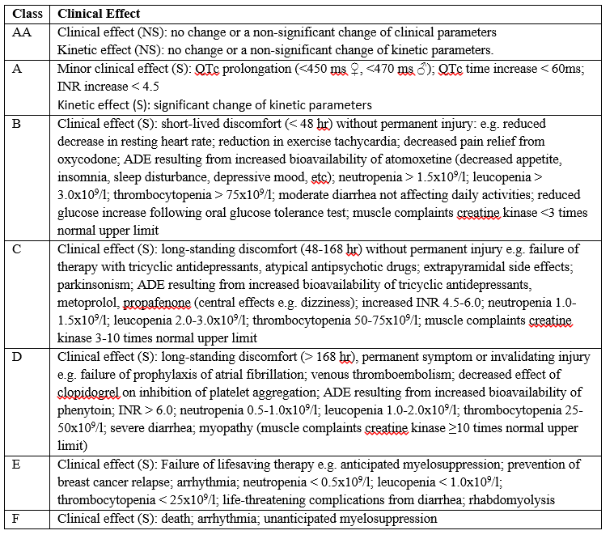
Number of expected drug-phenotype co-occurrences of highest priority according to DPWG guidelines in the Medicaid insurance population, broken down by age and clinical significance
0-13 | Sum in % | absolute frequency
C | 0.222% | 9225
D | 0.052% | 2167
E | 0.004% | 148
F | 0.004% | 157
Sum | 0.282% | 11697 | 0.28%

14-39 | Sum in % | absolute frequency
C | 1.311% | 39739
D | 0.156% | 4728
E | 0.004% | 109
F | 0.045% | 1361
Sum | 1.515% | 45937 | 1.51%

40-64 | Sum in % | absolute frequency
C | 2.448% | 27680
D | 0.596% | 6739
E | 0.067% | 757
F | 1.216% | 13745
Sum | 4.326% | 35176 | 3.11%

Number of expected drug-phenotype co-occurrences of highest priority (level A) according to CPIC in the Medicaid insurance population, broken down by age and clinical significance
 | 0-13 | 14-39 | 40-64
CPIC level A: | 1919 (0%) | 12149 (0,4%) | 11252 (1%)

Assignment of diplotypes / phenotypes to DPWG clinical significance classes C – F
CYP2C9 | Glimepiride | Phenytoin
*1/*1 | AA | A | EM
*2/*2 | AA | A | PM
*1/*3 | AA | D | PM
*2/*3 | D | A | PM
*3/*3 | D | D | PM

CYP2C19 | Clopidogrel | Sertraline
IM | F | A
PM | F | C
UM | A | none

CYP2D6 | Amitriptyline | Clomipramine | Doxepin | Imipramine | Aripiprazole | Codeine | Haloperidol | Metoprolol | Nortriptyline | Paroxetine | Propafenone | Risperidone
IM | C | C | A | A | A | A | A | B | C | A | A | C
PM | A | C | F | C | C | B | C | C | C | A | C | D
UM | C | C | A | A | none | F | C | D | C | C | D | C

CYP3A5 | Tacrolimus
*1/*1 | B | EM
*1/*3 | D | IM

DPYD | Capecitabine | Fluorouracil
IM | F | F
PM | F | F

UGT1A1 | Irinotecan
*1/*28 | F | IM
*28/*28 | E | PM

TPMT | Azathioprine | Mercaptopurine | Thioguanine
IM | E | E | D
PM | F | F | F

