Blad2
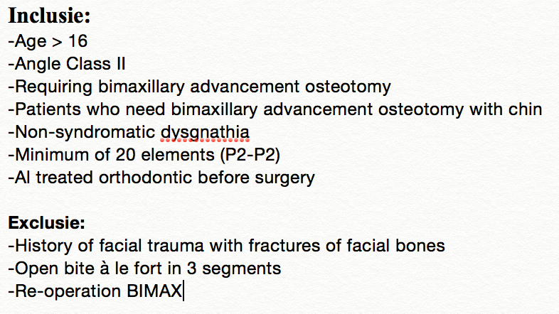
Observer |  | Poging
1= Jeroen |  | 1= 1ste poging
2= Frank |  | 2 = 2e poging

geslacht | 1=man | 0= vrouw
Brackets post op | 1 = ja | 0 = nee
Ok type | 1 = BK eerst | 0 = Onderkaak eerst
Kin | 1=ja | 0=nee
CBCT post op | 1= IMF | 0 wafer | 2 zonder iets
folluw op | maanden
Dichtbijten post-op CBCT | 1=ja | 0=nee/incorrect

