Primary Screen
Wnt3a/CM Pre-miR(TM) primary screening results (library of 470 Pre-miRs, Ambion)
Nexp=STF-Firefly/CMV-Renilla
repressed Nexp<0.30 (green); activated Nexp>0.65 (red) (Anton and DasGupta, 2011)
 | Wnt3a-CM/Pre-miR™ primary scfreen results
 |  |  |  |  |  |  |  | induced>0.65(red)
 | Nexp=(FF-STF19x/RL-CMV) |  |  |  |  |  |  | reduced<0.30(green)
 |  |  |  |  |  |  |  |  |  | LTS validation | LTS validation
No. | miR annotation | Nexp | Nexp | Nexp | Nexp | p-value | STDEV | average | validation | n=18 Wnt-activators | verified list (Fig1B)
1 | hsa-miR-613 | 0.113 | 0.119 | 0.175 | 0.152 | 0.000 | 0.029 | 0.140 | validated | n=20 Wnt-repressors | verified list (Fig1B)
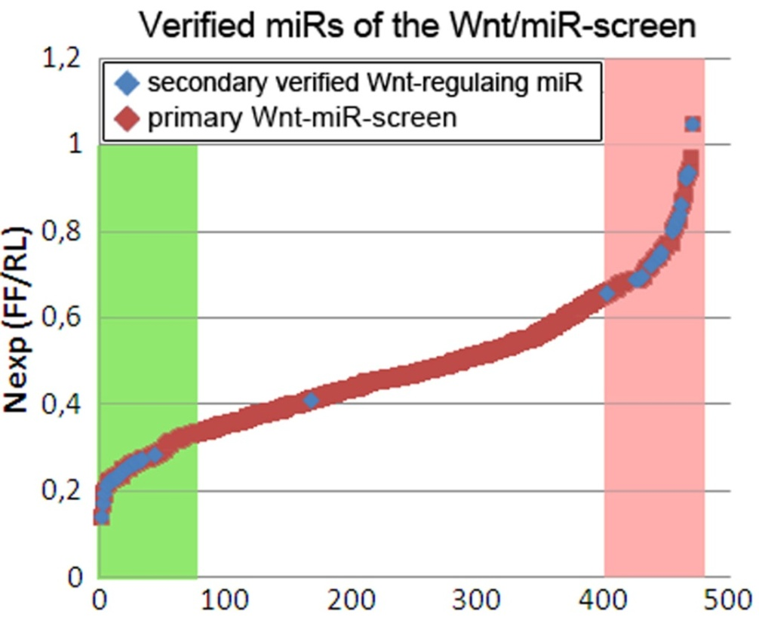
2 | hsa-miR-221 | 0.105 | 0.169 | 0.244 | 0.167 | 0.001 | 0.057 | 0.171 | validated
3 | hsa-miR-139 | 0.125 | 0.211 | 0.186 | 0.249 | 0.001 | 0.052 | 0.193 | validated
4 | hsa-miR-610 | 0.210 | 0.241 | 0.207 | 0.153 | 0.000 | 0.037 | 0.203
5 | hsa-miR-617 | 0.172 | 0.191 | 0.324 | 0.161 | 0.004 | 0.076 | 0.212 | validated
6 | hsa-miR-605 | 0.187 | 0.328 | 0.201 | 0.146 | 0.005 | 0.079 | 0.216
7 | hsa-miR-223 | 0.175 | 0.240 | 0.205 | 0.268 | 0.000 | 0.041 | 0.222 | validated
8 | hsa-miR-23b | 0.248 | 0.261 | 0.253 | 0.136 | 0.002 | 0.059 | 0.225
9 | hsa-miR-1 | 0.268 | 0.202 | 0.154 | 0.276 | 0.002 | 0.058 | 0.225 | validated
10 | hsa-miR-140 | 0.248 | 0.211 | 0.182 | 0.266 | 0.000 | 0.038 | 0.227
11 | hsa-miR-9* | 0.214 | 0.197 | 0.252 | 0.251 | 0.000 | 0.027 | 0.229 | validated
12 | hsa-miR-28 | 0.167 | 0.251 | 0.303 | 0.201 | 0.002 | 0.060 | 0.231 | validated
13 | hsa-miR-422b | 0.203 | 0.220 | 0.271 | 0.233 | 0.000 | 0.029 | 0.232 | validated
14 | hsa-miR-134 | 0.199 | 0.285 | 0.191 | 0.260 | 0.001 | 0.046 | 0.234 | validated
15 | hsa-miR-608 | 0.140 | 0.207 | 0.349 | 0.244 | 0.009 | 0.087 | 0.235
16 | hsa-miR-612 | 0.252 | 0.197 | 0.284 | 0.212 | 0.000 | 0.039 | 0.236
17 | hsa-miR-25 | 0.233 | 0.222 | 0.245 | 0.280 | 0.000 | 0.025 | 0.245 | validated
18 | hsa-miR-138 | 0.239 | 0.255 | 0.309 | 0.194 | 0.001 | 0.047 | 0.249
19 | hsa-miR-24 | 0.243 | 0.218 | 0.282 | 0.257 | 0.000 | 0.027 | 0.250
20 | hsa-miR-141 | 0.258 | 0.298 | 0.296 | 0.155 | 0.004 | 0.067 | 0.252
21 | hsa-miR-136 | 0.210 | 0.262 | 0.226 | 0.315 | 0.001 | 0.047 | 0.253 | validated
22 | hsa-miR-602 | 0.275 | 0.277 | 0.276 | 0.185 | 0.001 | 0.046 | 0.253
23 | hsa-miR-23a | 0.193 | 0.274 | 0.181 | 0.384 | 0.014 | 0.093 | 0.258 | validated
24 | hsa-miR-412 | 0.175 | 0.294 | 0.266 | 0.311 | 0.003 | 0.060 | 0.262
25 | hsa-miR-142-5p | 0.271 | 0.290 | 0.354 | 0.132 | 0.015 | 0.093 | 0.262
26 | hsa-miR-126 | 0.128 | 0.285 | 0.403 | 0.231 | 0.028 | 0.115 | 0.262 | validated
27 | hsa-miR-335 | 0.213 | 0.365 | 0.161 | 0.320 | 0.016 | 0.094 | 0.265 | validated
28 | hsa-miR-150 | 0.180 | 0.235 | 0.362 | 0.285 | 0.009 | 0.077 | 0.265 | validated
29 | hsa-miR-520d* | 0.201 | 0.221 | 0.418 | 0.226 | 0.021 | 0.101 | 0.267
30 | hsa-miR-219 | 0.197 | 0.403 | 0.205 | 0.271 | 0.018 | 0.095 | 0.269
31 | hsa-miR-27a | 0.149 | 0.309 | 0.210 | 0.409 | 0.030 | 0.114 | 0.269 | validated
32 | hsa-miR-410 | 0.166 | 0.346 | 0.311 | 0.265 | 0.010 | 0.078 | 0.272
33 | hsa-miR-375 | 0.300 | 0.237 | 0.257 | 0.296 | 0.000 | 0.031 | 0.272 | validated
34 | hsa-miR-520g | 0.339 | 0.209 | 0.248 | 0.300 | 0.003 | 0.057 | 0.274
35 | hsa-miR-193b | 0.392 | 0.312 | 0.174 | 0.222 | 0.020 | 0.096 | 0.275
36 | hsa-miR-409-5p | 0.185 | 0.274 | 0.355 | 0.286 | 0.007 | 0.070 | 0.275
37 | hsa-miR-607 | 0.306 | 0.236 | 0.301 | 0.258 | 0.000 | 0.034 | 0.275
38 | hsa-miR-96 | 0.220 | 0.155 | 0.442 | 0.288 | 0.041 | 0.123 | 0.276
39 | hsa-miR-212 | 0.324 | 0.284 | 0.240 | 0.261 | 0.000 | 0.036 | 0.277
40 | hsa-miR-222 | 0.292 | 0.293 | 0.326 | 0.201 | 0.002 | 0.054 | 0.278
41 | hsa-miR-433 | 0.231 | 0.357 | 0.257 | 0.283 | 0.003 | 0.054 | 0.282
42 | hsa-miR-30b | 0.303 | 0.183 | 0.291 | 0.355 | 0.009 | 0.072 | 0.283
43 | hsa-miR-218 | 0.166 | 0.538 | 0.153 | 0.277 | 0.107 | 0.178 | 0.284 | validated
44 | hsa-miR-409-3p | 0.344 | 0.311 | 0.292 | 0.190 | 0.007 | 0.066 | 0.285
45 | hsa-miR-224 | 0.330 | 0.328 | 0.272 | 0.216 | 0.003 | 0.054 | 0.286
46 | hsa-miR-615 | 0.407 | 0.288 | 0.196 | 0.256 | 0.018 | 0.089 | 0.287
47 | hsa-miR-142-3p | 0.278 | 0.249 | 0.262 | 0.367 | 0.003 | 0.053 | 0.289
48 | hsa-miR-220 | 0.212 | 0.341 | 0.247 | 0.370 | 0.011 | 0.075 | 0.292
49 | hsa-miR-215 | 0.280 | 0.301 | 0.371 | 0.222 | 0.006 | 0.062 | 0.294
50 | hsa-miR-520h | 0.314 | 0.350 | 0.279 | 0.235 | 0.002 | 0.049 | 0.294
51 | hsa-miR-421 | 0.115 | 0.411 | 0.495 | 0.158 | 0.132 | 0.187 | 0.295
52 | hsa-miR-18b | 0.306 | 0.331 | 0.344 | 0.231 | 0.003 | 0.050 | 0.303
53 | hsa-miR-339 | 0.267 | 0.453 | 0.263 | 0.237 | 0.033 | 0.099 | 0.305
54 | hsa-miR-611 | 0.273 | 0.420 | 0.197 | 0.332 | 0.029 | 0.094 | 0.305
55 | hsa-miR-452 | 0.211 | 0.311 | 0.169 | 0.543 | 0.123 | 0.167 | 0.308
56 | hsa-miR-30a-5p | 0.455 | 0.305 | 0.197 | 0.301 | 0.046 | 0.106 | 0.315
57 | hsa-miR-614 | 0.365 | 0.309 | 0.274 | 0.312 | 0.001 | 0.037 | 0.315
58 | hsa-miR-383 | 0.232 | 0.224 | 0.265 | 0.542 | 0.109 | 0.152 | 0.316
59 | hsa-miR-181a | 0.245 | 0.325 | 0.262 | 0.432 | 0.025 | 0.085 | 0.316
60 | hsa-miR-422a | 0.267 | 0.288 | 0.322 | 0.388 | 0.005 | 0.053 | 0.316
61 | hsa-miR-411 | 0.278 | 0.237 | 0.495 | 0.262 | 0.065 | 0.119 | 0.318
62 | hsa-miR-205 | 0.147 | 0.537 | 0.258 | 0.335 | 0.134 | 0.164 | 0.319
63 | hsa-miR-193a | 0.127 | 0.532 | 0.179 | 0.446 | 0.194 | 0.198 | 0.321
64 | hsa-miR-629 | 0.230 | 0.383 | 0.326 | 0.345 | 0.011 | 0.065 | 0.321
65 | hsa-miR-564 | 0.245 | 0.392 | 0.346 | 0.312 | 0.010 | 0.062 | 0.324
66 | hsa-miR-609 | 0.386 | 0.260 | 0.196 | 0.460 | 0.073 | 0.119 | 0.326
67 | hsa-miR-29b | 0.329 | 0.437 | 0.161 | 0.384 | 0.075 | 0.120 | 0.328
68 | hsa-miR-501 | 0.494 | 0.380 | 0.285 | 0.152 | 0.116 | 0.145 | 0.328
69 | hsa-miR-92 | 0.414 | 0.309 | 0.223 | 0.368 | 0.028 | 0.082 | 0.328
70 | hsa-miR-515-5p | 0.238 | 0.357 | 0.376 | 0.343 | 0.011 | 0.062 | 0.328
71 | hsa-let-7g | 0.171 | 0.209 | 0.493 | 0.444 | 0.149 | 0.163 | 0.329
72 | hsa-miR-520d | 0.346 | 0.293 | 0.359 | 0.325 | 0.000 | 0.029 | 0.331
73 | hsa-miR-625 | 0.380 | 0.296 | 0.315 | 0.338 | 0.001 | 0.036 | 0.332
74 | hsa-miR-18a | 0.213 | 0.443 | 0.204 | 0.471 | 0.122 | 0.144 | 0.333
75 | hsa-miR-296 | 0.202 | 0.478 | 0.370 | 0.283 | 0.079 | 0.118 | 0.333
76 | hsa-miR-542-3p | 0.141 | 0.493 | 0.288 | 0.417 | 0.144 | 0.154 | 0.335
77 | hsa-miR-521 | 0.290 | 0.378 | 0.383 | 0.288 | 0.007 | 0.053 | 0.335
78 | hsa-miR-652 | 0.511 | 0.278 | 0.253 | 0.301 | 0.083 | 0.119 | 0.336
79 | hsa-miR-616 | 0.304 | 0.324 | 0.360 | 0.360 | 0.000 | 0.028 | 0.337
80 | hsa-miR-769-5p | 0.284 | 0.551 | 0.264 | 0.251 | 0.128 | 0.143 | 0.337
81 | hsa-miR-626 | 0.470 | 0.394 | 0.266 | 0.220 | 0.079 | 0.115 | 0.337
82 | hsa-miR-651 | 0.284 | 0.501 | 0.298 | 0.267 | 0.072 | 0.110 | 0.338
83 | hsa-miR-620 | 0.503 | 0.327 | 0.231 | 0.290 | 0.084 | 0.117 | 0.338
84 | hsa-miR-324-5p | 0.637 | 0.262 | 0.177 | 0.277 | 0.243 | 0.204 | 0.338
85 | hsa-miR-148b | 0.310 | 0.336 | 0.284 | 0.428 | 0.014 | 0.062 | 0.340
86 | hsa-miR-192 | 0.186 | 0.357 | 0.339 | 0.479 | 0.092 | 0.120 | 0.340
87 | hsa-miR-527 | 0.270 | 0.307 | 0.522 | 0.262 | 0.097 | 0.123 | 0.340
88 | hsa-miR-143 | 0.176 | 0.598 | 0.391 | 0.208 | 0.238 | 0.195 | 0.343
89 | hsa-miR-20b | 0.335 | 0.194 | 0.488 | 0.358 | 0.098 | 0.121 | 0.344
90 | hsa-let-7a | 0.198 | 0.358 | 0.316 | 0.504 | 0.109 | 0.127 | 0.344
91 | hsa-miR-199a* | 0.253 | 0.576 | 0.238 | 0.312 | 0.170 | 0.158 | 0.345
92 | hsa-miR-26a | 0.295 | 0.336 | 0.220 | 0.536 | 0.130 | 0.135 | 0.347
93 | hsa-miR-217 | 0.412 | 0.472 | 0.215 | 0.298 | 0.096 | 0.115 | 0.349
94 | hsa-miR-519e* | 0.173 | 0.470 | 0.373 | 0.386 | 0.118 | 0.126 | 0.350
95 | hsa-miR-211 | 0.205 | 0.435 | 0.328 | 0.436 | 0.089 | 0.110 | 0.351
96 | hsa-miR-624 | 0.476 | 0.333 | 0.425 | 0.174 | 0.136 | 0.133 | 0.352
97 | hsa-miR-130b | 0.223 | 0.257 | 0.362 | 0.570 | 0.187 | 0.157 | 0.353
98 | hsa-miR-561 | 0.395 | 0.197 | 0.371 | 0.449 | 0.090 | 0.109 | 0.353
99 | hsa-miR-655 | 0.575 | 0.302 | 0.238 | 0.299 | 0.176 | 0.151 | 0.353
100 | hsa-miR-153 | 0.184 | 0.371 | 0.306 | 0.554 | 0.184 | 0.154 | 0.354
101 | hsa-miR-599 | 0.268 | 0.263 | 0.451 | 0.436 | 0.081 | 0.103 | 0.354
102 | hsa-miR-590 | 0.176 | 0.536 | 0.478 | 0.231 | 0.239 | 0.178 | 0.355
103 | hsa-miR-432 | 0.443 | 0.370 | 0.254 |  | 0.138 | 0.095 | 0.356
104 | hsa-miR-132 | 0.254 | 0.198 | 0.657 | 0.314 | 0.296 | 0.206 | 0.356
105 | hsa-miR-565 | 0.484 | 0.357 | 0.271 | 0.317 | 0.064 | 0.092 | 0.357
106 | hsa-miR-604 | 0.404 | 0.437 | 0.294 | 0.299 | 0.035 | 0.073 | 0.359
107 | hsa-miR-423 | 0.316 | 0.533 | 0.225 | 0.365 | 0.144 | 0.129 | 0.360
108 | hsa-miR-329 | 0.240 | 0.466 | 0.404 | 0.329 | 0.078 | 0.097 | 0.360
109 | hsa-miR-148a | 0.362 | 0.346 | 0.358 | 0.375 | 0.000 | 0.012 | 0.360
110 | hsa-miR-568 | 0.292 | 0.345 | 0.323 | 0.486 | 0.059 | 0.086 | 0.361
111 | hsa-miR-525* | 0.271 | 0.409 | 0.357 | 0.413 | 0.029 | 0.066 | 0.362
112 | hsa-miR-22 | 0.203 | 0.779 | 0.218 | 0.252 | 0.441 | 0.278 | 0.363
113 | hsa-miR-627 | 0.278 | 0.370 | 0.442 |  | 0.117 | 0.082 | 0.363
114 | hsa-miR-640 | 0.347 | 0.244 | 0.389 | 0.475 | 0.082 | 0.096 | 0.364
115 | hsa-miR-30e-5p | 0.345 | 0.304 | 0.335 | 0.472 | 0.041 | 0.074 | 0.364
116 | hsa-miR-548c | 0.367 | 0.260 | 0.481 | 0.359 | 0.075 | 0.090 | 0.367
117 | hsa-miR-144 | 0.559 | 0.296 | 0.288 | 0.331 | 0.164 | 0.129 | 0.368
118 | hsa-miR-210 | 0.317 | 0.290 | 0.492 | 0.381 | 0.078 | 0.090 | 0.370
119 | hsa-miR-187 | 0.402 | 0.365 | 0.526 | 0.191 | 0.193 | 0.138 | 0.371
120 | hsa-miR-33 | 0.322 | 0.272 | 0.354 | 0.542 | 0.148 | 0.118 | 0.372
121 | hsa-miR-601 | 0.434 | 0.362 | 0.358 | 0.337 | 0.007 | 0.042 | 0.373
122 | hsa-miR-27b | 0.365 | 0.346 | 0.302 | 0.477 | 0.051 | 0.074 | 0.373
123 | hsa-miR-622 | 0.386 | 0.334 | 0.527 | 0.255 | 0.148 | 0.114 | 0.376
124 | hsa-miR-520c | 0.364 | 0.397 | 0.435 | 0.310 | 0.019 | 0.053 | 0.376
125 | hsa-miR-650 | 0.391 | 0.344 | 0.309 | 0.464 | 0.042 | 0.067 | 0.377
126 | hsa-miR-29c | 0.402 | 0.230 | 0.347 | 0.532 | 0.181 | 0.125 | 0.378
127 | hsa-miR-380-3p | 0.428 | 0.428 | 0.385 | 0.270 | 0.058 | 0.075 | 0.378
128 | hsa-miR-623 | 0.287 | 0.295 | 0.457 | 0.474 | 0.120 | 0.101 | 0.378
129 | hsa-miR-770-5p | 0.219 | 0.293 | 0.666 | 0.336 | 0.356 | 0.198 | 0.379
130 | hsa-miR-152 | 0.277 | 0.421 | 0.514 | 0.306 | 0.145 | 0.109 | 0.379
131 | hsa-miR-637 | 0.429 | 0.279 | 0.469 | 0.346 | 0.086 | 0.085 | 0.381
132 | hsa-miR-451 | 0.318 | 0.428 | 0.327 | 0.450 | 0.048 | 0.068 | 0.381
133 | hsa-miR-188 | 0.564 | 0.342 | 0.359 | 0.261 | 0.203 | 0.129 | 0.381
134 | hsa-miR-768-5p | 0.334 | 0.330 | 0.407 | 0.456 | 0.036 | 0.061 | 0.381
135 | hsa-miR-191 | 0.338 | 0.493 | 0.492 | 0.203 | 0.231 | 0.140 | 0.382
136 | hsa-miR-127 | 0.554 | 0.258 | 0.386 | 0.338 | 0.202 | 0.125 | 0.384
137 | hsa-miR-630 | 0.319 | 0.506 | 0.335 | 0.376 | 0.093 | 0.085 | 0.384
138 | hsa-miR-137 | 0.265 | 0.546 | 0.449 | 0.278 | 0.232 | 0.136 | 0.384
139 | hsa-miR-324-3p | 0.279 | 0.421 | 0.614 | 0.226 | 0.329 | 0.173 | 0.385
140 | hsa-miR-206 | 0.551 | 0.270 | 0.323 | 0.399 | 0.198 | 0.122 | 0.386
141 | hsa-miR-526b | 0.246 | 0.383 | 0.463 | 0.453 | 0.138 | 0.100 | 0.386
142 | hsa-miR-133b | 0.400 | 0.456 | 0.454 | 0.237 | 0.147 | 0.103 | 0.387
143 | hsa-miR-545 | 0.176 | 0.444 | 0.477 | 0.452 | 0.258 | 0.142 | 0.387
144 | hsa-miR-635 | 0.310 | 0.525 | 0.279 | 0.447 | 0.196 | 0.116 | 0.390
145 | hsa-miR-384 | 0.219 | 0.456 | 0.281 | 0.608 | 0.359 | 0.176 | 0.391
146 | hsa-miR-190 | 0.223 | 0.614 | 0.455 | 0.273 | 0.368 | 0.179 | 0.391
147 | hsa-miR-593 | 0.698 | 0.306 | 0.270 | 0.295 | 0.426 | 0.204 | 0.392
148 | hsa-miR-595 | 0.471 | 0.323 | 0.265 | 0.524 | 0.235 | 0.122 | 0.396
149 | hsa-miR-765 | 0.410 | 0.285 | 0.548 | 0.342 | 0.211 | 0.113 | 0.396
...

