Flexion+Extension
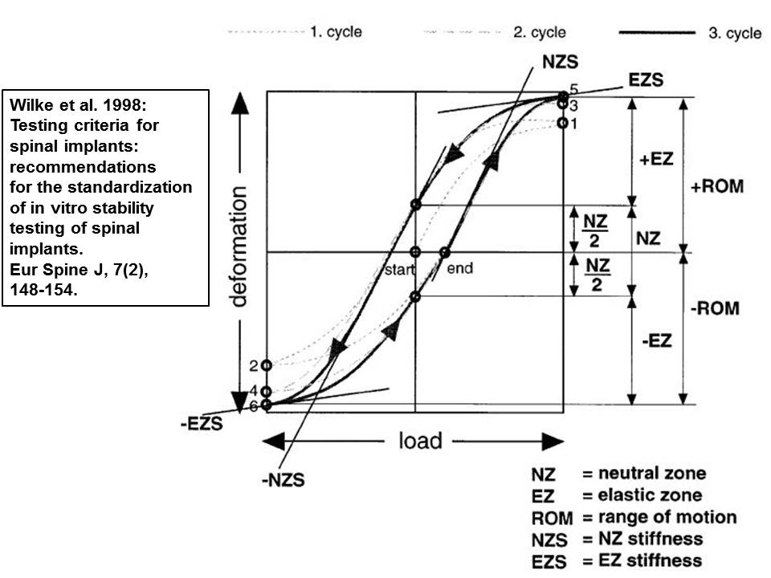
Segmental level | Moment in Nm | ROM+ (Flexion) in ° | ROM- (Extension) in ° | ROM± (Flex+Ex) in ° | NZ+ (Flexion) in ° | NZ- (Extension) in ° | NZ± (Flex+Ex) in ° | NZS+ (Flexion) in Nm/° | NZS- (Extension) in Nm/° | EZS+ (Flexion) in Nm/° | EZS- (Extension) in Nm/° | Hysteresis area in Nm°
T1-T2 (n=6) | 7.5 | 6.5057 | -6.3919 | 12.8977 | 2.0201 | -2.0584 | 4.0785 | 0.1648 | 0.2306 | 2.8035 | 2.3719 | 17.9660
 | 7.5 | 7.2097 | -7.1707 | 14.3804 | 1.1122 | -1.3155 | 2.4278 | 0.2302 | 0.4461 | 2.6413 | 2.2701 | 17.2410
 | 7.5 | 7.8348 | -6.7983 | 14.6331 | 2.2498 | -1.4393 | 3.6890 | 0.0959 | 0.1585 | 2.7137 | 2.3182 | 15.5611
 | 7.5 | 7.6864 | -6.9040 | 14.5905 | 2.5017 | -1.6206 | 4.1223 | 0.1228 | 0.1778 | 2.3436 | 2.0817 | 16.9927
 | 7.5 | 6.9643 | -6.5805 | 13.5447 | 1.7927 | -0.9653 | 2.7580 | 0.1669 | 0.3770 | 2.6406 | 2.0670 | 16.8525
 | 7.5 | 6.3618 | -6.1125 | 12.4743 | 2.8927 | -2.4818 | 5.3745 | 0.2075 | 0.2696 | 3.3454 | 3.4058 | 19.5947
Mean | - | 7.0938 | -6.6596 | 13.7535 | 2.0949 | -1.6468 | 3.7417 | 0.1647 | 0.2766 | 2.7480 | 2.4191 | 17.3680
SD | - | 0.5496 | 0.3458 | 0.8446 | 0.5610 | 0.4974 | 0.9679 | 0.0458 | 0.1038 | 0.3021 | 0.4557 | 1.2250
T2-T3 (n=6) | 7.5 | 3.1103 | -3.0735 | 6.1838 | 0.8321 | -0.8799 | 1.7120 | 1.0235 | 1.2233 | 2.5708 | 2.8098 | 14.3053
 | 7.5 | 4.4389 | -4.5270 | 8.9659 | 0.9714 | -1.8771 | 2.8484 | 0.2964 | 0.4845 | 4.2521 | 3.1475 | 13.1484
 | 7.5 | 2.9478 | -2.8672 | 5.8150 | 0.7826 | -0.6580 | 1.4406 | 0.8680 | 0.9463 | 4.3313 | 3.7119 | 10.3489
 | 7.5 | 1.5535 | -1.4603 | 3.0138 | 0.3080 | -0.4375 | 0.7455 | 3.2748 | 3.3217 | 7.5573 | 5.4457 | 7.7821
 | 7.5 | 7.1856 | -6.6231 | 13.8087 | 2.2934 | -1.8577 | 4.1511 | 0.1699 | 0.2448 | 3.0440 | 2.5065 | 16.1682
 | 7.5 | 5.3838 | -5.5983 | 10.9822 | 1.4163 | -1.3211 | 2.7374 | 0.3470 | 0.5702 | 2.8909 | 2.2513 | 15.7225
Mean | - | 4.1033 | -4.0249 | 8.1282 | 1.1006 | -1.1719 | 2.2725 | 0.9966 | 1.1318 | 4.1077 | 3.3121 | 12.9126
SD | - | 1.8292 | 1.7465 | 3.5685 | 0.6246 | 0.5596 | 1.1117 | 1.0648 | 1.0295 | 1.6805 | 1.0619 | 2.9828
T3-T4 (n=6) | 7.5 | 5.2058 | -5.0492 | 10.2549 | 1.0887 | -1.1305 | 2.2192 | 0.3063 | 0.5212 | 3.1766 | 2.8545 | 15.3881
 | 7.5 | 4.0234 | -4.0374 | 8.0608 | 0.7108 | -0.8112 | 1.5220 | 0.6668 | 0.9970 | 3.6671 | 2.5140 | 13.5761
 | 7.5 | 3.6308 | -3.3799 | 7.0108 | 0.9317 | -0.5952 | 1.5269 | 0.5572 | 0.8505 | 4.5189 | 3.8091 | 10.9198
 | 7.5 | 4.6954 | -4.8424 | 9.5377 | 1.3227 | -1.9179 | 3.2406 | 0.3698 | 0.5538 | 3.6780 | 2.2689 | 16.2863
 | 7.5 | 2.3767 | -2.4192 | 4.7959 | 0.3740 | -0.4487 | 0.8227 | 1.4347 | 1.3576 | 3.3859 | 4.1989 | 8.5023
 | 7.5 | 2.9705 | -2.9901 | 5.9607 | 0.6298 | -0.5304 | 1.1602 | 0.7645 | 1.3258 | 4.2760 | 3.0283 | 9.3948
Mean | - | 3.8171 | -3.7864 | 7.6035 | 0.8429 | -0.9057 | 1.7486 | 0.6832 | 0.9343 | 3.7838 | 3.1123 | 12.3446
SD | - | 0.9634 | 0.9523 | 1.9111 | 0.3112 | 0.5050 | 0.7907 | 0.3714 | 0.3314 | 0.4716 | 0.6842 | 2.9386
T4-T5 (n=7) | 7.5 | 3.2717 | -2.9938 | 6.2655 | 1.1540 | -0.9324 | 2.0864 | 0.7055 | 0.6476 | 4.2816 | 4.5364 | 11.9151
 | 7.5 | 4.3900 | -4.2932 | 8.6832 | 1.2414 | -0.8247 | 2.0661 | 0.5050 | 0.5395 | 3.3465 | 2.7786 | 15.0647
 | 7.5 | 4.4340 | -4.3646 | 8.7986 | 0.9624 | -0.9707 | 1.9330 | 0.5391 | 0.5833 | 3.3500 | 3.6150 | 14.4506
 | 7.5 | 2.5834 | -2.6581 | 5.2415 | 0.8157 | -0.7585 | 1.5742 | 1.2470 | 1.3347 | 4.6788 | 3.6650 | 11.5189
 | 7.5 | 3.2558 | -3.1137 | 6.3695 | 0.8518 | -0.7481 | 1.5999 | 0.7146 | 0.6962 | 3.2590 | 4.0057 | 11.1726
 | 7.5 | 2.4619 | -2.4185 | 4.8803 | 0.7782 | -0.8282 | 1.6063 | 0.6687 | 0.7727 | 5.3459 | 4.8298 | 8.7185
 | 7.5 | 3.2519 | -3.1949 | 6.4469 | 0.6522 | -0.8455 | 1.4977 | 0.6120 | 1.0578 | 3.5122 | 3.1663 | 11.4427
Mean | - | 3.3784 | -3.2910 | 6.6694 | 0.9222 | -0.8440 | 1.7662 | 0.7131 | 0.8045 | 3.9677 | 3.7995 | 12.0404
SD | - | 0.7223 | 0.7018 | 1.4208 | 0.1954 | 0.0765 | 0.2337 | 0.2302 | 0.2677 | 0.7541 | 0.6700 | 1.9780
T5-T6 (n=6) | 7.5 | 5.9711 | -5.7445 | 11.7156 | 1.4721 | -1.5986 | 3.0708 | 0.3919 | 0.4234 | 2.1740 | 2.1761 | 20.6626
 | 7.5 | 3.1065 | -3.0387 | 6.1452 | 0.6186 | -0.7193 | 1.3379 | 0.6033 | 1.0094 | 4.8874 | 3.7904 | 9.6531
 | 7.5 | 3.6434 | -3.6041 | 7.2474 | 0.4947 | -0.6957 | 1.1904 | 0.7041 | 1.2743 | 4.7705 | 2.0878 | 11.4322
 | 7.5 | 2.9941 | -2.9598 | 5.9539 | 0.4957 | -0.4818 | 0.9775 | 1.3259 | 1.6943 | 4.1474 | 2.8602 | 10.3088
 | 7.5 | 2.3402 | -2.3356 | 4.6757 | 0.3681 | -0.6810 | 1.0492 | 1.0219 | 1.4867 | 4.7736 | 4.4361 | 8.3087
 | 7.5 | 5.2282 | -5.2768 | 10.5050 | 2.1345 | -2.0583 | 4.1928 | 0.3749 | 0.4776 | 2.5610 | 2.9671 | 23.4287
Mean | - | 3.8806 | -3.8266 | 7.7071 | 0.9306 | -1.0391 | 1.9698 | 0.7370 | 1.0609 | 3.8857 | 3.0529 | 13.9657
SD | - | 1.2910 | 1.2534 | 2.5433 | 0.6501 | 0.5789 | 1.2243 | 0.3409 | 0.4791 | 1.1051 | 0.8368 | 5.8422
T6-T7 (n=6) | 7.5 | 4.2050 | -4.1326 | 8.3377 | 1.2722 | -0.8707 | 2.1429 | 0.4127 | 0.7020 | 3.8230 | 2.9705 | 13.3185
 | 7.5 | 3.4986 | -3.5458 | 7.0444 | 0.5765 | -0.5970 | 1.1735 | 0.8582 | 1.3751 | 3.7223 | 2.6481 | 10.3831
 | 7.5 | 3.9020 | -3.8924 | 7.7944 | 1.0008 | -0.9778 | 1.9786 | 0.5651 | 0.7995 | 3.2992 | 2.4247 | 14.8412
 | 7.5 | 5.5324 | -5.4264 | 10.9588 | 1.7710 | -1.0903 | 2.8613 | 0.2783 | 0.4592 | 3.1636 | 1.9264 | 15.3996
 | 7.5 | 3.4798 | -3.3975 | 6.8773 | 0.7161 | -0.7831 | 1.4992 | 0.7673 | 1.2158 | 4.6814 | 2.4860 | 12.1422
 | 7.5 | 2.7280 | -2.0420 | 4.7700 | 0.5806 | -0.6742 | 1.2548 | 0.8137 | 1.9246 | 4.7164 | 4.4252 | 9.8141
Mean | - | 3.8910 | -3.7395 | 7.6304 | 0.9862 | -0.8322 | 1.8184 | 0.6159 | 1.0794 | 3.9010 | 2.8135 | 12.6498
SD | - | 0.8630 | 1.0049 | 1.8573 | 0.4288 | 0.1693 | 0.5851 | 0.2155 | 0.4875 | 0.6080 | 0.7847 | 2.0916
T7-T8 (n=7) | 7.5 | 3.1185 | -3.1578 | 6.2763 | 0.8318 | -0.9115 | 1.7433 | 0.9026 | 1.5732 | 4.2950 | 3.4398 | 13.8109
 | 7.5 | 3.6182 | -3.6109 | 7.2290 | 0.6292 | -0.6612 | 1.2904 | 0.6602 | 1.0231 | 4.1952 | 2.9626 | 11.4231
 | 7.5 | 3.1219 | -3.0457 | 6.1676 | 0.4912 | -0.6503 | 1.1415 | 0.7972 | 1.4063 | 4.5640 | 2.9539 | 10.2640
 | 7.5 | 2.5992 | -2.6512 | 5.2504 | 0.2942 | -0.3861 | 0.6803 | 1.2511 | 1.8497 | 5.3329 | 3.6298 | 7.7991
 | 7.5 | 2.1116 | -2.1614 | 4.2730 | 0.7431 | -0.6310 | 1.3740 | 1.0452 | 0.7732 | 4.2438 | 4.6107 | 8.2248
 | 7.5 | 2.7255 | -2.7854 | 5.5108 | 0.3991 | -1.0302 | 1.4293 | 1.5878 | 1.1463 | 3.8696 | 3.4294 | 11.1762
 | 7.5 | 2.1971 | -2.3221 | 4.5192 | 0.7316 | -0.5082 | 1.2397 | 1.3028 | 1.3727 | 5.5948 | 3.6851 | 9.4143
Mean | - | 2.7846 | -2.8192 | 5.6038 | 0.5886 | -0.6826 | 1.2712 | 1.0781 | 1.3064 | 4.5850 | 3.5302 | 10.3018
SD | - | 0.5009 | 0.4632 | 0.9631 | 0.1841 | 0.2055 | 0.2990 | 0.2990 | 0.3319 | 0.5909 | 0.5174 | 1.9162
T8-T9 (n=6) | 7.5 | 2.5579 | -2.6794 | 5.2373 | 0.4621 | -0.9346 | 1.3967 | 1.2006 | 0.8296 | 4.2376 | 5.1885 | 8.6726
 | 7.5 | 3.6886 | -3.8678 | 7.5563 | 0.5134 | -0.5151 | 1.0285 | 0.8623 | 1.3177 | 5.0205 | 2.2513 | 9.7579
 | 7.5 | 4.2524 | -4.1750 | 8.4274 | 1.4825 | -0.8164 | 2.2989 | 0.4552 | 0.6060 | 3.9783 | 2.4654 | 13.4889
 | 7.5 | 2.9533 | -2.9435 | 5.8968 | 0.5890 | -0.6658 | 1.2548 | 1.4169 | 1.3841 | 4.7374 | 2.8934 | 10.3409
 | 7.5 | 2.2408 | -2.2712 | 4.5119 | 0.4840 | -0.3736 | 0.8577 | 1.7080 | 2.0523 | 5.2913 | 3.9772 | 7.6086
 | 7.5 | 3.6664 | -3.0045 | 6.6708 | 0.6795 | -0.8264 | 1.5059 | 0.6956 | 1.6287 | 4.3126 | 3.0636 | 11.9978
Mean | - | 3.2266 | -3.1569 | 6.3834 | 0.7017 | -0.6887 | 1.3904 | 1.0564 | 1.3031 | 4.5963 | 3.3066 | 10.3111
SD | - | 0.7015 | 0.6612 | 1.3347 | 0.3566 | 0.1939 | 0.4604 | 0.4291 | 0.4803 | 0.4608 | 1.0035 | 1.9680
T9-T10 (n=6) | 7.5 | 2.5061 | -2.5161 | 5.0222 | 0.7577 | -0.5985 | 1.3561 | 0.7021 | 0.6855 | 4.9868 | 3.5486 | 8.6929
 | 7.5 | 4.3177 | -4.3860 | 8.7037 | 1.2358 | -1.2610 | 2.4968 | 0.3761 | 0.4151 | 4.3990 | 3.1371 | 13.2594
 | 7.5 | 4.4996 | -4.4069 | 8.9065 | 1.4522 | -1.0532 | 2.5055 | 0.4018 | 0.3466 | 3.9289 | 3.1114 | 13.7441
 | 7.5 | 4.1750 | -4.0783 | 8.2533 | 0.6833 | -0.4737 | 1.1570 | 0.5210 | 1.1414 | 3.3236 | 2.5192 | 11.9394
 | 7.5 | 2.9689 | -2.9905 | 5.9595 | 0.4387 | -0.3678 | 0.8065 | 1.6188 | 1.8348 | 3.7614 | 2.2556 | 10.8213
 | 7.5 | 2.7849 | -2.7216 | 5.5065 | 0.7689 | -0.2811 | 1.0499 | 1.4598 | 1.4697 | 4.3886 | 3.7313 | 11.2516
Mean | - | 3.5420 | -3.5166 | 7.0586 | 0.8894 | -0.6725 | 1.5620 | 0.8466 | 0.9822 | 4.1314 | 3.0505 | 11.6181
SD | - | 0.8056 | 0.7931 | 1.5975 | 0.3450 | 0.3611 | 0.6836 | 0.5031 | 0.5483 | 0.5323 | 0.5223 | 1.6655
T10-T11 (n=6) | 7.5 | 3.9502 | -3.9341 | 7.8843 | 0.7730 | -0.7503 | 1.5232 | 0.5343 | 0.6379 | 3.6344 | 3.1579 | 10.8679
 | 7.5 | 2.5008 | -2.4543 | 4.9551 | 0.4836 | -0.3977 | 0.8813 | 1.4529 | 1.7784 | 4.5367 | 3.8224 | 8.6148
 | 7.5 | 2.0289 | -2.0277 | 4.0566 | 0.4494 | -0.4803 | 0.9296 | 1.5456 | 2.1348 | 6.6963 | 4.7992 | 7.3859
 | 7.5 | 2.0707 | -1.8873 | 3.9580 | 0.3749 | -0.3806 | 0.7555 | 2.0205 | 2.4982 | 4.5208 | 3.2943 | 7.5299
 | 7.5 | 3.7344 | -3.8227 | 7.5571 | 0.7036 | -0.7106 | 1.4142 | 0.7424 | 1.0823 | 4.1309 | 2.7672 | 11.9036
 | 7.5 | 4.1417 | -4.3045 | 8.4462 | 0.4914 | -0.7234 | 1.2148 | 0.8469 | 1.2238 | 3.8914 | 2.1200 | 10.7835
Mean | - | 3.0711 | -3.0718 | 6.1429 | 0.5460 | -0.5738 | 1.1198 | 1.1904 | 1.5592 | 4.5684 | 3.3268 | 9.5143
SD | - | 0.8917 | 0.9748 | 1.8652 | 0.1425 | 0.1578 | 0.2841 | 0.5217 | 0.6390 | 1.0044 | 0.8379 | 1.7526
T11-T12 (n=6) | 7.5 | 3.0347 | -2.9973 | 6.0321 | 0.4695 | -0.4515 | 0.9211 | 1.2043 | 1.7195 | 4.1123 | 2.5137 | 9.8420
 | 7.5 | 4.4040 | -4.5278 | 8.9318 | 0.6599 | -1.2325 | 1.8924 | 0.3959 | 0.5758 | 4.4563 | 3.3544 | 12.5836
 | 7.5 | 4.1589 | -4.1035 | 8.2624 | 0.6730 | -0.7331 | 1.4061 | 0.6099 | 1.2312 | 3.5748 | 2.2236 | 13.5385
 | 7.5 | 3.8986 | -3.8773 | 7.7758 | 0.9975 | -0.9928 | 1.9902 | 0.6083 | 0.9380 | 3.4990 | 2.4648 | 13.7228
 | 7.5 | 2.4644 | -2.1128 | 4.5771 | 0.3630 | -0.4783 | 0.8413 | 1.4210 | 2.4576 | 4.5720 | 2.9127 | 8.3963
 | 7.5 | 3.6408 | -3.5967 | 7.2376 | 0.5863 | -0.5641 | 1.1504 | 0.5849 | 0.9739 | 4.5475 | 3.2132 | 8.6976
Mean | - | 3.6002 | -3.5359 | 7.1361 | 0.6249 | -0.7420 | 1.3669 | 0.8041 | 1.3160 | 4.1270 | 2.7804 | 11.1301
SD | - | 0.6657 | 0.7897 | 1.4537 | 0.1986 | 0.2855 | 0.4450 | 0.3722 | 0.6166 | 0.4440 | 0.4113 | 2.2243

