tpr2, 3, 2_3 Chart
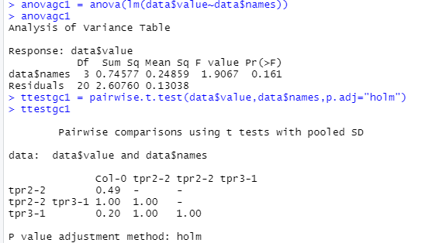
DC 3000
Day 0 | 2.23
Day 3 | 7.02
Day 0 | 2.42
Day 3 | 6.65
Day 0 | 2.37
Day 3 | 6.54
Day 0 | 2.57
Day 3 | 6.77
Plant | Day | Average | STDEV | T-test to Col-0 | Combined Data
Col-0 | Day 0 | 2.23 | 0.14
 | Day 3 | 7.02 | 0.21 | 1.000000

tpr2-2 | Day 0 | 2.42 | 0.45
 | Day 3 | 6.65 | 0.30 | 0.050795

tpr3-1 | Day 0 | 2.37 | 0.51
 | Day 3 | 6.54 | 0.47 | 0.063554

tpr2-2/tpr3-1 | Day 0 | 2.57 | 0.66
 | Day 3 | 6.77 | 0.29 | 0.157933

snc1-11 tpr2_3 Chart
 | Av |  | SD
 | Day 0 | Day 3 | Day 0 | Day 3
Col-0 | 1.88 | 7.18 | 0.23 | 0.12
snc1-11 | 2.01 | 7.01 | 0.13 | 0.47
srfr1-4/snc1-11 | 1.95 | 6.27 | 0.27 | 0.46
snc1-11/tpr2-2/tpr3-1 | 2.02 | 7.37 | 0.14 | 0.27
srfr1-4/snc1-11/tpr2-2/tpr3-1 | 2.09 | 6.50 | 0.29 | 0.21

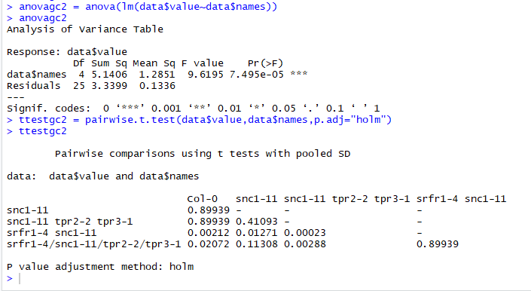

a ab | c | a | bc

