Common-GO
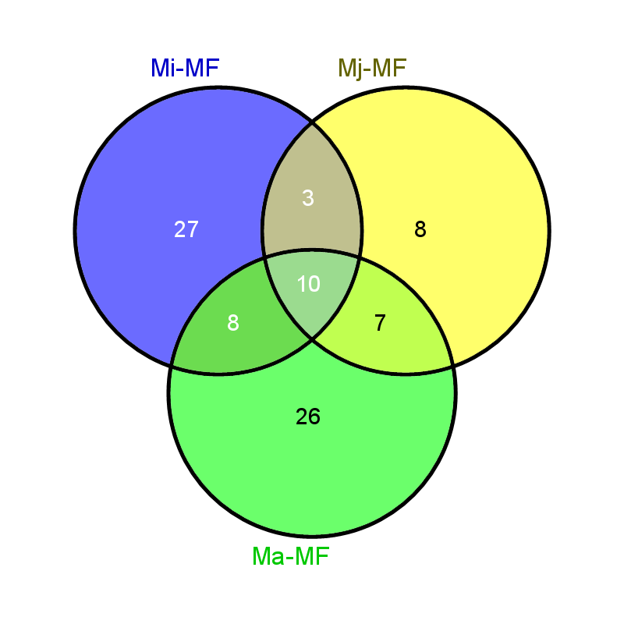

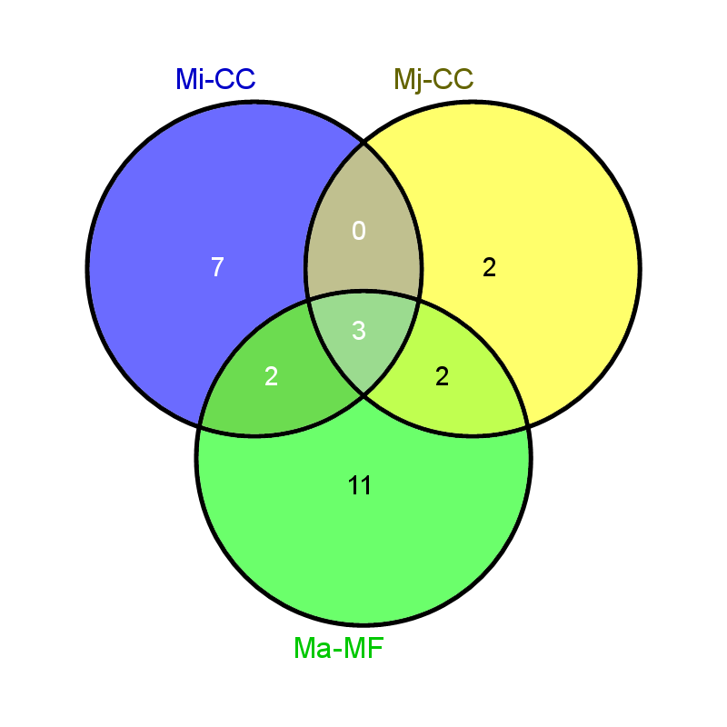

Common elements in "Mi-MF", "Mj-MF" and "Ma-MF": |  | Common elements in "Mi-BP", "Mj-MF" and "Ma-MF": |  | Common elements in "Mi-CC", "Mj-CC" and "Ma-MF":
GO:0005515 | protein binding | GO:0006468 | protein phosphorylation | GO:0016020 | membrane
GO:0005524 | ATP binding | GO:0006810 | transport | GO:0016021 | integral component of membrane
GO:0004672 | protein kinase activity | GO:0008152 | metabolic process | GO:0005622 | intracellular
GO:0003824 | catalytic activity | GO:0007165 | signal transduction
GO:0003676 | nucleic acid binding | GO:0055085 | transmembrane transport | Common elements in "Mi-CC" and "Ma-MF":
GO:0003723 | RNA binding | GO:0006508 | proteolysis | GO:0005634 | nucleus
GO:0005525 | GTP binding | GO:0006418 | tRNA aminoacylation for protein translation | GO:0005789 | endoplasmic reticulum membrane
GO:0004222 | metalloendopeptidase activity
GO:0000166 | nucleotide binding | Common elements in "Mi-BP" and "Ma-MF": |  | Common elements in "Mj-CC" and "Ma-MF":
GO:0004812 | aminoacyl-tRNA ligase activity | GO:0055114 | oxidation-reduction process | GO:0005840 | ribosome
 |  | GO:0006355 | regulation of transcription, DNA-templated | GO:0005839 | proteasome core complex
 |  | GO:0006814 | sodium ion transport
Common elements in "Mj-MF" and "Ma-MF": |  | GO:0005975 | carbohydrate metabolic process
GO:0004930 | G-protein coupled receptor activity
GO:0016887 | ATPase activity | Common elements in "Mj-MF" and "Ma-MF":
GO:0003677 | DNA binding | GO:0007186 | G-protein coupled receptor signaling pathway
GO:0003735 | structural constituent of ribosome | GO:0006412 | translation
GO:0008158 | hedgehog receptor activity | GO:0051603 | proteolysis involved in cellular protein catabolic process
GO:0004298 | threonine-type endopeptidase activity | GO:0006396 | RNA processing
GO:0008324 | cation transmembrane transporter activity | GO:0006812 | cation transport

Common elements in "Mi-MF" and "Ma-MF": |  | Common elements in "Mi-BP" and "Mj-MF":
GO:0046872 | metal ion binding | GO:0016192 | vesicle-mediated transport
GO:0003700 | transcription factor activity, sequence-specific DNA binding | GO:0008033 | tRNA processing
GO:0016787 | hydrolase activity
GO:0005215 | transporter activity
GO:0008270 | zinc ion binding
GO:0000287 | magnesium ion binding
GO:0005272 | sodium channel activity
GO:0016853 | isomerase activity

Common elements in "Mi-MF" and "Mj-MF":
GO:0050660 | flavin adenine dinucleotide binding
GO:0042626 | ATPase activity, coupled to transmembrane movement of substances
GO:0008168 | methyltransferase activity

Common-GOslim
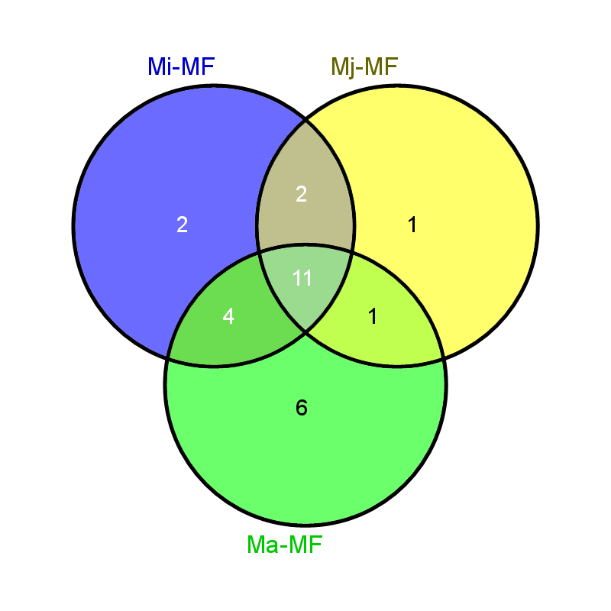



Common elements in "Mi-MF", "Mj-MF" and "Ma-MF": |  | Common elements in "Mi-BP", "Mj-BP" and "Ma-BP": |  | Common elements in "Mi-CC", "Mj-CC" and "Ma-CC":
GO:0016301 | kinase activity | GO:0009056 | catabolic process | GO:0005575 | cellular_component
GO:0016853 | isomerase activity | GO:0006412 | translation | GO:0005737 | cytoplasm
GO:0003674 | molecular_function | GO:0006399 | tRNA metabolic process | GO:0005623 | cell
GO:0008233 | peptidase activity | GO:0006464 | cellular protein modification process | GO:0005622 | intracellular
GO:0043167 | ion binding | GO:0006520 | cellular amino acid metabolic process | GO:0043234 | protein complex
GO:0004871 | signal transducer activity | GO:0008150 | biological_process
GO:0016887 | ATPase activity | GO:0009058 | biosynthetic process | Common elements in "Mi-CC" and "Ma-CC":
GO:0022857 | transmembrane transporter activity | GO:0051276 | chromosome organization | GO:0005634 | nucleus
GO:0003677 | DNA binding | GO:0055085 | transmembrane transport | GO:0043226 | organelle
GO:0003723 | RNA binding | GO:0006810 | transport | GO:0005783 | endoplasmic reticulum
GO:0016874 | ligase activity | GO:0007165 | signal transduction | GO:0005856 | cytoskeleton
 |  | GO:0034641 | cellular nitrogen compound metabolic process
Common elements in "Mi-MF" and "Ma-MF": |  |  |  | Common elements in "Mj-CC" and "Ma-CC":
GO:0016491 | oxidoreductase activity | Common elements in "Mi-BP" and "Ma-BP": |  | GO:0005840 | ribosome
GO:0016746 | transferase activity, transferring acyl groups | GO:0065003 | macromolecular complex assembly
GO:0001071 | nucleic acid binding transcription factor activity | GO:0005975 | carbohydrate metabolic process
GO:0016757 | transferase activity, transferring glycosyl groups | GO:0042254 | ribosome biogenesis
 |  | GO:0006629 | lipid metabolic process
Common elements in "Mi-MF" and "Mj-MF": |  | GO:0007010 | cytoskeleton organization
GO:0016810 | hydrolase activity, acting on carbon-nitrogen (but not peptide) bonds | GO:0006461 | protein complex assembly
GO:0008168 | methyltransferase activity
 |  | Common elements in "Mj-BP" and "Ma-BP":
Common elements in "Mj-MF" and "Ma-MF": |  | GO:0044281 | small molecule metabolic process
GO:0003735 | structural constituent of ribosome
 |  | Common elements in "Mi-BP" and "Mj-BP":
 |  | GO:0016192 | vesicle-mediated transport

Common-EDS-KaKs-GO
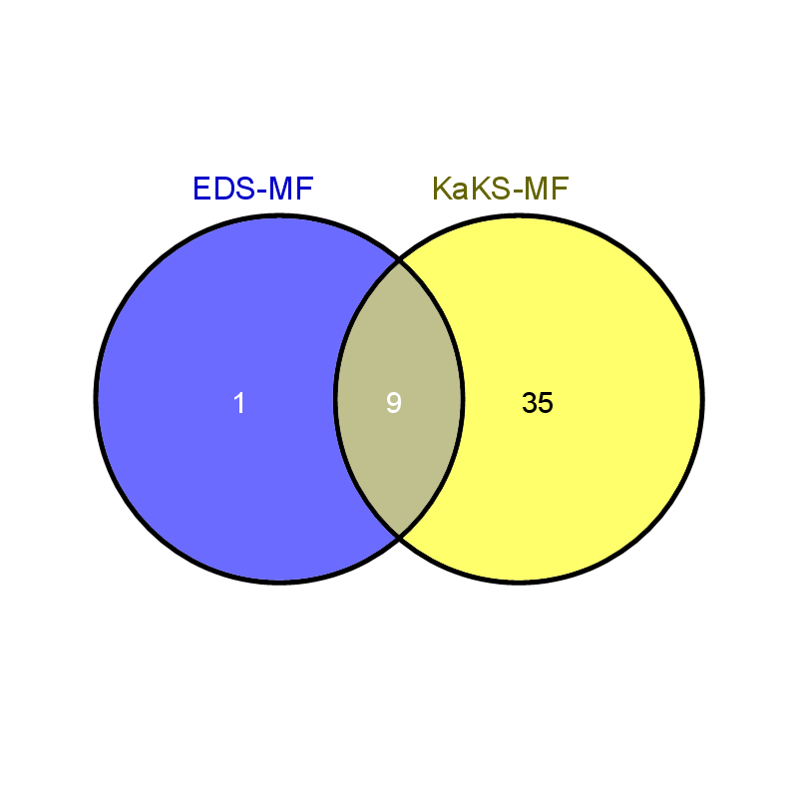

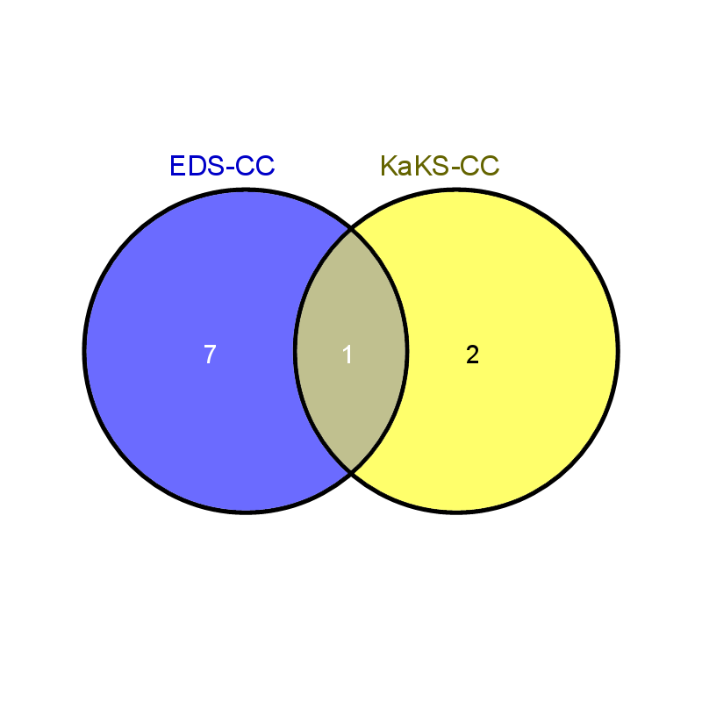

Common elements in "EDS-MF" and "KaKS-MF": |  | Common elements in "EDS-BP" and "KaKS-BP": |  | Common elements in "EDS-CC" and "KaKS-CC":
GO:0005515 | protein binding | GO:0006468 | protein phosphorylation | GO:0005622 | intracellular
GO:0005524 | ATP binding | GO:0006810 | transport
GO:0004672 | protein kinase activity | GO:0008152 | metabolic process
GO:0003824 | catalytic activity | GO:0007165 | signal transduction
GO:0003676 | nucleic acid binding | GO:0055085 | transmembrane transport
GO:0003723 | RNA binding | GO:0006508 | proteolysis
GO:0005525 | GTP binding
GO:0004222 | metalloendopeptidase activity
GO:0000166 | nucleotide binding

Common-EDS-KaKs-GOSLIM




Common elements in "EDS-BP" and "KaKS-BP": |  | Common elements in "EDS-MF" and "KaKS-BP":
GO:0009056 | catabolic process |  | kinase activity
GO:0006412 | translation | GO:0016853 | isomerase activity
GO:0006464 | cellular protein modification process | GO:0008233 | peptidase activity
GO:0009058 |  | GO:0043167 | ion binding
GO:0051276 | chromosome organization | GO:0004871 | signal transducer activity
GO:0055085 | transmembrane transport | GO:0016887 | ATPase activity
GO:0006810 | transport | GO:0022857 | transmembrane transporter activity
GO:0007165 | signal transduction | GO:0003677 | DNA binding
GO:0034641 | cellular nitrogen compound metabolic process | GO:0003723 | RNA binding
 |  | GO:0016874 | ligase activity

