Cytotoxicity
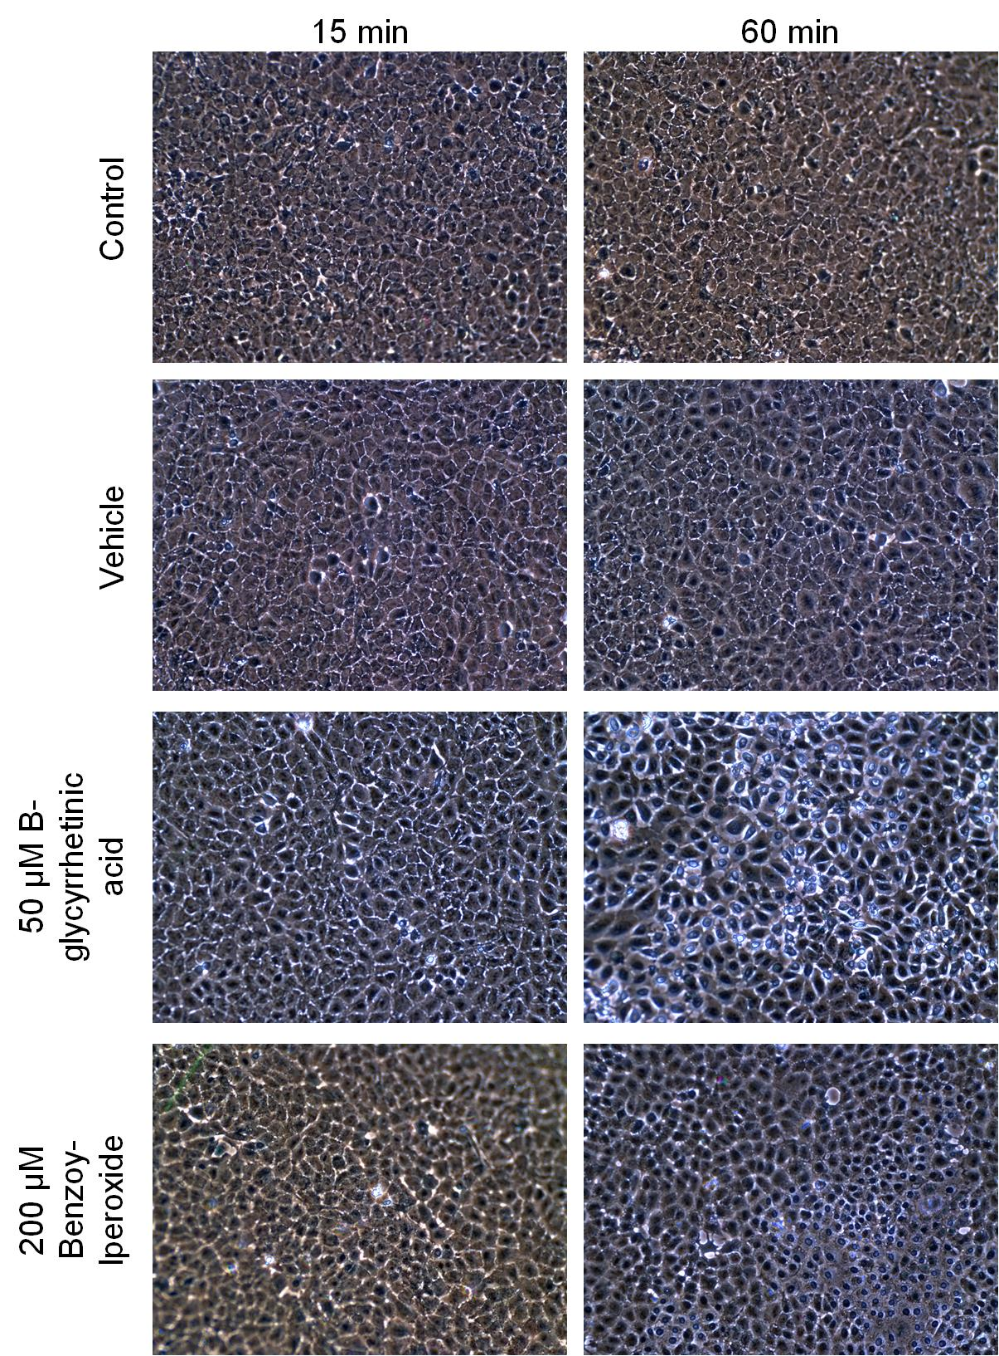
Cytotoxicity evaluation
Neutral red uptake assay - Method:
- confluent WB-F344 cells, 35 mm dishes
- 0.015% neutral red in D-medium - freshly prepared, incubated 2 h at 37C and then filtered through 0.22um
- cells exposed to the chemicals or vehicle for 1 h or 24 h
- after exposure, exposure medium was aspirated, cells rinsed with PBS and incubated with 2 mL of 0.015% neutral red
- neutral red soultion was aspirated, cells rinsed with PBS and incubated with 2 mL of lysis buffer (1% acetic acid-50% EtOH) 15-20 min on orbital shaker
- cell lysate containing neutral red was transferred into microtubes and absorbance measured at 540 nm and 630 nm (Beckman Spectrophotometer 7400); pure lysis buffer was used as a blank solution
- absorbances were compared to naive control and expressed as FOC (Fraction of Control)

 |  |  | Exposure time
Chemical | Abbreviation | Con-centra-tion | 1 h | 24 h
epidermal growth factor | EGF | 20 ug/L | 0.86 | 0.95
thrombin receptor activator peptide-6 | TRAP-6 | 50 uM | 0.92 | 0.96
DAG-kinase inhibitor 1 | R59022 | 50 uM | 0.91 | 0.73
arachidonic acid | AA | 100 uM | 1.03 | 0.01
lauricidin | Lau | 150 uM | 0.79 | 0.88
12-O-tetradecanoylphorbol 13-acetate | TPA | 10 nM | 0.80 | 0.59
B-glycyrrhetinic acid | BGA | 50 uM | 0.66 | 0.52
perfluorooctanoic acid | PFOA | 100 uM | 1.09 | 0.96
perfluorodecanoic acid | PFDA | 80 uM | 0.86 | 0.40
heptadecafluorooctanesulfonic acid | PFOSA | 40 uM | 0.79 | 0.88
fluorene | Flu | 100 uM | 0.97 | 1.02
1-methylfluorene | 1-MeFlu | 70 uM | 0.89 | 1.06
phenanthrene | Phe | 70 uM | 0.88 | 1.01
1-methylanthracene | 1-MeA | 70 uM | 0.85 | 0.86
9,10-dimethylanthracene | 9,10-diMeA | 100 uM | 0.97 | 0.98
fluoranthene | Fla | 70 uM | 0.92 | 0.93
pyrene | Pyr | 70 uM | 0.90 | 0.98
1-methylpyrene | 1-MePyr | 70 uM | 0.94 | 0.94
pentachlorophenol | PCP | 50 uM | 0.80 | 0.43
lindane | Lindane | 60 uM | 0.98 | 0.98
DDT | DDT | 30 uM | 0.84 | 1.17
PCB 153 | PCB 153 | 50 uM | 0.82 | 0.82
alachlor | Ala | 185 uM | 0.84 | 0.07
benzoylperoxide | BzOOH | 200 uM | 0.08 | 0.05
dicumylperoxide | DiCuOOH | 50 uM | 0.85 | 1.06

With exception of B-glycyrrhetinic acid and benzoylperoxide, none of the chemicals induced more than 20% decrease in the cell viability after both 1 h and 24 h, as evaluated by the Neutral Red Uptake Assay.
Trypan blue exclusion assay did not reveal decrease in the cell viability when the cells were exposed to B-glycerrhetinic acid or benzoylperoxide for 15 min, i.e. the exposure period used in GJIC experiments (representative microphotographs are shown below).Trypan blue exclusion assay confirmed cytototoxic effects of B-glycyrrhetinic acid and benzoylperoxide observed after 1 h exposure.

